Template Pdf
Industrial Assembly Solutions - ADH
Atlas Copco Industrial Assembly Solutions
Atlas Copco IAS GmbH
Visitor Address:Gewerbestr. 52
75015 Bretten – Germany
Visit Atlas Copco at: http://www.atlascopco.com
Specification
MQTT Data Overview –
SYS6000V4
Author: Markus Herold
Tel.: +49 15208321476
e-mail: markus.herold@atlascopco.com
Cooperators: Leandro Gil; Marten Tolk
Version V 1.0 Wednesday, May 17, 2023

1. Revision History
Date | Version | Modifications | by
2023-05-02 | V0.1 | Standard signal List MQTT | MarkusHerold
2023-05-09 | V1.0 | Configuration and layout adaptations | MarkusHerold
2023-11-28 | V1.1 | Improved text, spelling, grammar, removed developer as contact | Marten Tolk

Table of contents
1. Revision History |  |  |  | 2
2. Data Collection |  |  |  | 3
 | 2.1 Commercial Guideline & Recommendations |  |  | 3
 | 2.2 Data description |  |  | 3

2. Data Collection
2.1 Commercial Guideline & Recommendations
1. The current document serves as a guide. It is continuously enriched and maintained by Atlas Copco.
2. The enabling of the data transfer functionality, is linked to a license file activation on the controller.
A temporary license can be provided for up to 3 months, for Demo purposes.
3. It has to be noted that some quantities might only be available through the use of specific options in the controller,
which might not be activated by default.
4. A simulator is usually provided to facilitate the integration in the factory network, prior the delivery of the real
system.

2.2 Data description
Available data are listed in the table below.
Within JSON messages (especially for MQTT), the order of the properties may differ in the future,
but the names of the properties are fixed.

SYS MQTT Standard Pdf
Industrial Assembly Solutions - ADH
Atlas Copco Industrial Assembly Solutions
Atlas Copco IAS GmbH
Visitor Address:Gewerbestr. 52
75015 Bretten – Germany
Visit Atlas Copco at: http://www.atlascopco.com
SYS6000V4 MQTT Specification Interface 1.0: Standard
Contact: Florian Danvin
Tel.: +32 38701946
e-mail: florian.danvin@atlascopco.com
Version: V 1.8 March 18, 2025
SAP Nr.: 10000105088
Release: SYS6000V4 V4.00.32, MQTT 6.0

1. Revision History
Date | Modifications |  | by | Version
2023-02-05 | Messages definition |  | Markus Herold | V0.1
2023-09-05 | Layout adaptations |  | Markus Herold | V1.0
2023-10-26 | Extension for 2C systems |  | Marten Tolk | V1.1
2023-11-21 | Vision message added |  | Aparna Lakshmi | V1.2
2023-11-28 | Template changed |  | Marten Tolk | V1.3
2024-02-12 | Added more data to Statistics |  | Aparna Lakshmi | V1.4
2023-02-13 | Updates Vision messages |  | Marten Tolk | V1.4
2024-04-05 | Added Pump temperatures |  | Aparna Lakshmi | V1.5
2024-10-28 | Added RTVision.3d message |  | Marten Tolk | V1.5
2024-12-04 | Corrected DateTime to TimeStamp |  | Marten Tolk | V1.6
2025-01-16 | Commertial Guideline and contact person updated |  | Leandro Gil | V1.7
2025-03-18 | Added barrel data and potting times to application message |  | Santiago Lamas | V1.8

Table of contents
1. Revision History |  |  |  | 2
2. Data Collection |  |  |  | 3
 | 2.1 Commercial Guideline & Recommendations |  |  | 3
 | 2.2 Data description |  |  | 3

2. Data Collection
2.1 Commercial Guideline & Recommendations
1. The current document serves as a guide. It is continuously enriched and maintained by Atlas Copco.
2. The enabling of the data transfer functionality, is linked to a license file activation on the controller.
A temporary license can be provided for up to 3 months, for Demo purposes.
3. It has to be noted that some quantities might only be available through the use of specific options in the controller,
which might not be activated by default.
4. A simulator is usually provided to facilitate the integration in the factory network, prior the delivery of the real
system.

2.2 Data description
Available data are listed in the table below.
Within JSON messages (especially for MQTT), the order of the properties may differ in the future,
but the names of the properties are fixed.

Data | Description | Name in json | Example / Format | Unit | Mqtt Version
Machine name | Machine name | MachineName | string e.g. "SimulatedSys6000" | - | 5.0.8
IP-address | IP-address | IpAddress | string | - | 5.0.8

Data | Description | Name in json | Example / Format | Unit | Mqtt Version
Application | Topic: {Topic}/Application Triggered when an application is done
Application time stamp | Time stamp at end of application | TimeStamp [Vision]ApplicationTimeStamp | string e.g. "2021-10-12 08:37:16Z" | - | 5.0.8
Unique-ID | Unique-ID | UniqueId | number | count | 5.0.8
Type / Part ID | Type / Part ID In SYS6000, this is the PartId. It depends on the robot interface, whether there is a useful value. In ASC5000, this is sometimes also used as a TypeId. | PartId | string | - | 5.0.8
Material program number | Material program number | ProgramNumber | number | count | 5.0.8
Application Result | Result of application | ApplicationResult | string e.g. "0" | - | 5.0.8
Target Volume | Set volume in material program | TargetVolume | number | cm³ | 5.0.8
Measured Volume | Measured volume | MeasuredVolume | number | cm³ | 5.0.8
Volume Deviation | Deviation between dispensed volume and set volume | VolumeDeviation | number | cm³ | 5.0.8
Gun open time | Gun open time | ApplTime | number | s | 5.0.8
Last Application Total Volume | Total volume of the last application | LastVolume | number | cm³ | 5.0.8
Last Application Volume Meter 1 | Volume of the last application in meter 1 | LastVolumeMeter1 | number | cm³ | 5.0.8
Last Application Volume Meter 2 | Volume of the last application in meter 2 | LastVolumeMeter2 | number | cm³ | 5.0.8
Last Application Cycle Time | Total time of the last application in ms | LastCycleTime | number | ms | 5.0.8
Last Application Dispense Time | Valve opening time of the last application in seconds | LastDispenseTime | number | s | 5.0.8
Smart Adjust Used | Indicate whether smart adjust is used or not | SmartAdjustUsed | number | - | 5.3.1
Confirmation Result | Part evaluation confirmation result after a bad application. It depends on the robot interface, whether there is a useful value. | ConfirmationResult | string | - | 5.3.1
Calculated Volume | Volume calculated by flow (without pre-pressures) | CalculatedVolume | number | cm³ | 5.3.1
Min Pressure Meter 1 | Minimum pressure for meter 1 | MinPressure1 | number | bar | 5.3.1
Min Pressure Meter 2 | Minimum pressure for meter 2 | MinPressure2 | number | bar | 5.3.1
Max Pressure Meter 1 | Maximum pressure for meter 1 | MaxPressure1 | number | bar | 5.0.8
Max Pressure Meter 2 | Maximum pressure for meter 2 | MaxPressure2 | number | bar | 5.0.8
Average Pressure Meter 1 | Average Pressure for meter 1 | AveragePressure1 | number | bar | 5.3.1
Average Pressure Meter 2 | Average Pressure for meter 2 | AveragePressure2 | number | bar | 5.3.1
Set Prepressure Meter 1 | Set PrePressure for meter 1 | SetPrePressure1 | number | bar | 5.3.1
Set Prepressure Meter 2 | Set PrePressure for meter 2 | SetPrePressure2 | number | bar | 5.3.1
Max Torque Meter 1 | Maximum torque for meter 1 | MaxTorque1 | number | Nm | 5.3.1
Max Torque Meter 2 | Maximum torque for meter 2 | MaxTorque2 | number | Nm | 5.3.1
Average Torque Meter 1 | Average torque for meter 1 | AverageTorque1 | number | Nm | 5.3.1
Average Torque Meter 2 | Average torque for meter 2 | AverageTorque2 | number | Nm | 5.3.1
Active Barrel HPC 1 | Active barrel for HPC 1 | ActiveBarrel1 | number | count | 5.3.1
Active Barrel HPC 2 | Active barrel for HPC 2 | ActiveBarrel2 | number | count | 5.3.1
Spindle Efficiency Meter 1 | Spindle efficiency for meter 1 | SpindleEfficiencyApplication1 | number | % | 5.3.1
Spindle Efficiency Meter 2 | Spindle efficiency for meter 2 | SpindleEfficiencyApplication2 | number | - | 5.3.1
Fill Volume | Fill volume 1 | FillVolume | number | cm³ | 5.3.1
Fill Volume Meter 2 | Fill volume of Meter 2 | FillVolume2 | number | cm³ | 5.3.1
Fill Time | Fill time | FillTime | number | s | 5.3.1
Fill Time Meter 2 | Fill time of Meter 2 | FillTime2 | number | s | 5.3.1
Fill Rate | Fill rate | FillRate | number | cm³/s | 5.3.1
Fill Rate Meter 2 | Fill rate of Meter 2 | FillRate2 | number | cm³/s | 5.3.1
Error Number | Error number of first error occurred during application | ErrorNumber | string | - | 5.3.1
Battery Id | Battery Id | BatteryId | string | - | 5.3.1
Module Number | Module Number | ModuleNumber | number | count | 5.3.1
Shortest Bead Time | Time of shortest bead applied | ShortestBeadTime | number | ms | 5.3.1
Compression Factor 1 | Last detected air bubble of meter 1 as ccm | CompressionFactor1 | number | cm³ | 5.3.1
Compression Factor 2 | Last detected air bubble of meter 2 as ccm | CompressionFactor2 | number | cm³ | 5.3.1
Visco correction factor Meter1 | Visco correction factor of Meter1 used for the automatic adaptation of Pre-Pressure | ViCofMeter1 | number | - | 5.3.1
Visco correction factor Meter2 | Visco correction factor of Meter2 used for the automatic adaptation of Pre-Pressure | ViCofMeter2 | number | - | 5.3.1
Volume correction factor Meter1 | Volume correction factor of Meter1 used for the automatic adaptation of Pre-Pressure | VoCofMeter1 | number | - | 5.3.1
Volume correction factor Meter2 | Volume correction factor of Meter2 used for the automatic adaptation of Pre-Pressure | VoCofMeter2 | number | - | 5.3.1
Applicator Opening Time 1 | Opening time of Applicator 1 | ApplicatorOpeningTime1 | number | ms | 5.3.1
Applicator Opening Time 2 | Opening time of Applicator 2 | ApplicatorOpeningTime2 | number | ms | 5.3.1
Applicator Closing Time 1 | Closing time of Applicator 1 | ApplicatorClosingTime1 | number | ms | 5.3.1
Applicator Closing Time 2 | Closing time of Applicator 2 | ApplicatorClosingTime2 | number | ms | 5.3.1
Minimum Mix Ratio | Minimum value of mix ratio of a 2K system measured during an application. | MixRatioMinimum | double | - | 5.3.1
Maximum Mix Ratio | Maximum value of mix ratio of a 2K system measured during an application. | MixRatioMaximum | number | - | 5.3.1
Controlled Applicator Closing Time | Longest closing time of controlled applicator during application | CAClosingTime | number | ms | 5.3.1
Controlled Applicator Opening Time | Longest opening time of controlled applicator during application | CAOpeningTime | number | ms | 5.3.1
Controlled Applicator Visco Factor Start | Visco Correction of Controlled Applicator at the begining of an applicaiton | CAViscoFactor_Start | number | - | 5.3.1
Controlled Applicator Visco Factor End | Visco Correction of Controlled Applicator at the end of an applicaiton | CAViscoFactor_End | number | - | 5.3.1
Controlled Applicator Nozzle Contact Max Ramp Appl | Maximum difference measured between calculated and measured pressure at nozzle during application. | CANozzleContactMaxRampAppl | number | - | 5.3.1
Minimum Air Swirl | Minimum used target value for air swirl | MinAirSwirl | number | - | 5.3.1
Maximum Air Swirl | Maximum used target value for air swirl | MaxAirSwirl | number | - | 5.3.1
MinAirSwirl Feedback | Minimum measured value from air swirl feedback sensor | MinAirSwirlFeedback | number | - | 5.3.1
MaxAirSwirl Feedback | Maximum measured value from air swirl feedback sensor | MaxAirSwirlFeedback | number | - | 5.3.1
ErrorNumberMatProgram Param | Parameter Table number when error occured during an application. This is related to Error Number. | ErrorNumberMatProgramParam | number | - | 5.3.1
ErrorNumberMatBead Number | Bead number when error occured during an application. This is related to Error Number. | ErrorNumberMatBeadNumber | number | - | 5.3.1
Mix Ratio | Current mixing ratio based on material flow | MixRatio | double | - | 6.0
Temperature of the selected heating zone | Temperature of the selected heating zone | TempLastHeatZone | number | grad C | 6.0
Target potting time 1C | Target potting time 1C | TargetPotLife1C | number | Min | 6.0
Target potting time 2C | Target potting time 2C | TargetPotLife2C | number | Min | 6.0
Potting time of 1 component | Potting time of 1 component | RemainingPotLife1C | number | s | 6.0
Potting time of 2 component | Potting time of 2 component | RemainingPotLife2C | number | s | 6.0
Mixer status | Mixer status | MixerStatus | string |  | 6.0
Target Mix Ratio | Target Mix Ratio | TargetMixRatio | number |  | 6.0
Barrel Data
Hpc 1 Active Barrel Material | Hpc 1 Active Barrel Material | ActiveBarrel | string | - | 6.0
Hpc 2 Active Barrel Material | Hpc 2 Active Barrel Material | ActiveBarrell | string | - | 6.0
Hpc 1 Active Barrel Charge | Hpc 1 Active Barrel Charge | Charge | string | - | 6.0
Hpc 2 Active Barrel Charge | Hpc 2 Active Barrel Charge | Charge | string | - | 6.0
Hpc 1 Active Barrel Expiration Date | Hpc 1 Active Barrel Expiration Date | ExpirationDate | string | - | 6.0
Hpc 2 Active Barrel Expiration Date | Hpc 2 Active Barrel Expiration Date | ExpirationDate | string | - | 6.0
Hpc 1 Active Barrel Install Date | Installation date of active barrel of HPC 1 | InstallDate | string | - | 6.0
Hpc 1 Active Barrel Install Date | Installation date of active barrel of HPC 2 | InstallDate | string | - | 6.0
Hpc 1 Active Barrel Package Number | Package number of active barrel of HPC 1 | PackageNumber | string | - | 6.0
Hpc 2 Active Barrel Package Number | Package number of active barrel of HPC 2 | PackageNumber | string | - | 6.0
SingleBead
Beads Number | Number of beads | BeadCount | number | count | 5.0.8
Bead names | Bead name | BeadName | string | - | 5.0.8
Bead Numbers Array | Bead number calculated from array position using BeadCount | BeadNumber | number | count | 5.0.8
Bead Results | Array of single bead application results. Depending upon the customer requirement each value can be extracted in derived data logic. | Result | string | cm³ | 5.0.8
Bead Measured Volumes | Array of single bead application volumes. Depending upon the customer requirement each value can be extracted in derived data logic. | AppliedVolume | number | cm³ | 5.0.8
Bead Target Volume | Array of single bead target volumes. Depending upon the customer requirement each value can be extracted in derived data logic. | TargetVolume | number | cm³ | 5.0.8
Bead Lower Tolerances | Array of single bead volume lower tolerance. Depending upon the customer requirement lower limit can be calculated in derived data logic. Also value of each single bead can be extracted. | LowerLimit | number | cm³ | 5.0.8
Bead Upper Tolerances | Array of single bead volume upper tolerance. Depending upon the customer requirement each upper limit can be calculated in derived data logic. Also value of each single bead can be extracted. | UpperLimit | number | cm³ | 5.0.8
Bead Application Times | Array of single bead application times. Depending upon the customer requirement each value can be extracted in derived data logic. | ApplicationTime | number | s | 5.0.8
Data | Description | Name in json | Example / Format | Unit | Mqtt Version

Data | Description | Name in json | Example / Format | Unit | Mqtt Version
BarrelChange | Topic: {Topic}/BarrelChange Triggered when a barrel change is finished (system bar code scanner must be installed and enabled).
Barrel Change Unique-Id | Barrel change unique id | UniqueId | number | count | 5.0.8
Barrel Change Date Time | Timestamp of barrel change event | TimeStamp | string e.g. "2021-10-12 08:37:16Z" | - | 5.0.8
Barrel Change Charge | Charge number | Charge | string | - | 5.0.8
Barrel Change Barrel | Barrel number | Barrel | int | count | 5.0.8
Barrel Change Material | Adhesive material used | Material | string e.g. "PVC" | - | 5.0.8
Barrel Change Expiration Date | Expiration date of material | ExpirationDate | string e.g. "18.08.2022 13:06:27" | - | 5.0.8
Barrel Change Packnum | Package number | PackageNumber | string | - | 5.0.8
Barrel Change User Name | User name during barrel change. | UserName | string | - | 5.0.8
Barrel Change Hpc | HPC (Heating Pump Cabinet) number | HPC | int | count | 5.0.8

Data | Description | Name in json | Example / Format | Unit | Mqtt Version
Parameter Change | Topic: {Topic}/ParameterChange Triggered when a parameter is changed via Visu.
Parameter Change Unique-Id | UniqueId of parameter change | UniqueId | number | count | 5.0.8
Parameter Change Date Time | Timestamp of parameter change | TimeStamp | string e.g. "2021-10-12 08:37:16Z" | - | 5.0.8
Localized Modification Location | This is derived from the following xparms 1.statistics.mapping.modificationLocationData 2. LanguageCode 3.statistics.mapping.modificationPara1 & statistics.mapping.modificationPara2 & statistics.mapping.modificationPara3 | ModificationLocation | string e.g. "Netzwerk 0 Subnetzmaske B. " | - | 5.0.8
Parameter Change New Value | New value | NewValue | string | - | 5.0.8
Parameter Change Old Value | Old value | OldValue | string | - | 5.0.8
Parameter Change User | User name | User | string | - | 5.0.8
Parameter Change Access Level | Access level | AccessLevel | number | - | 5.0.8
Parameter Change Modification Target | ModificationTarget of parameter change | ModificationTarget | string | - | 5.0.8
Parameter Change Modification Location Description | ModificationLocation description of parameter change modification location description | ModificationLocationDescription | string | - | 5.3.1
Parameter Change Modification Location As Digit | ModificationLocationAs digit of parameter change | ModificationLocationAsDigit | number | count | 5.3.1

Data | Description | Name in json | Example / Format | Unit | Mqtt Version
SystemStatus | Topic: {Topic}/SystemStatus Triggered after some time after data changed or after start of MQTT
Status line | Indicates current status/operation | StatusLine | string |  | 5.0.8
Hpc1 Present | Indicate whether Hpc1 is present | Available | string | - | 5.0.8
Hpc2 Present | Indicate whether Hpc2 is present | Available | string | - | 5.0.8
Hpc1 State Pump1 | Pump Status for HPC 1 Pump 1 | StatePump1 | string |  | 5.0.8
Hpc1 State Pump2 | Pump Status for HPC 1 Pump 2 | StatePump2 | string |  | 5.0.8
Hpc2 State Pump1 | Pump Status for HPC 2 Pump 1 | StatePump1 | string |  | 5.0.8
Hpc2 State Pump2 | Pump Status for HPC 2 Pump 2 | StatePump2 | string |  | 5.0.8
Hpc1 Fill Level Warning Pump 1 | Fill level warning for HPC 1 Pump 1 | FillLevelWarningPump1 | string |  | 5.0.8
Hpc1 Fill Level Warning Pump 2 | Fill level warning for HPC 1 Pump 2 | FillLevelWarningPump2 | string |  | 5.0.8
Hpc2 Fill Level Warning Pump 1 | Fill level warning for HPC 2 Pump 1 | FillLevelWarningPump1 | string |  | 5.0.8
Hpc2 Fill Level Warning Pump 2 | Fill level warning for HPC 2 Pump 2 | FillLevelWarningPump2 | string |  | 5.0.8

Data | Description | Name in json | Example / Format | Unit | Mqtt Version
GeneralEvent | Topic: {Topic}/GeneralEvent Triggered after log entry was added to SYS statistics
General Event Unique-Id | UniqueId of general event | UniqueId | number | count | 5.0.8
General Event Date Time | Timestamp of general event | TimeStamp | string e.g. "2021-10-12 08:37:16Z" | - | 5.0.8
General Event Localized Description | Derived from 1. LocationParm1, Location Parm2, LocationParm3 2.GeneralEvent.Code 3.LocationParmUnit1 4.LocationParmUnit2 | LocalizedDescription | string | - | 5.0.8
General Event Code | General event code This data is used to derive 'description' | EventCode | string e.g. "037" | - | 5.0.8

Data | Description | Name in json | Example / Format | Unit | Mqtt Version
CounterData | Topic: {Topic}/Counters Triggered after some time after data changed or after start of MQTT or after start of MQTT
Current Data DateTime | Timestamp of counter data | TimeStamp | string e.g. "2021-10-12 08:37:16Z" | - | 5.0.8
System Cycles | System cycle counter | SystemCycles | number | count | 5.0.8
Total Purge Volume | Total purge material volume | TotalPurgeVolume | number | cm³ | 5.0.8
Total Applied Production Volume | Total applied material volume for production | TotalProductionQuantity | number | cm³ | 5.0.8
Total Applied Maintenance Volume | Total applied material volume for maintenance | TotalMaintenanceVolume | number | cm³ | 5.0.8
Total Counter Since Last Reset | Total counter since last reset | TotalCounterSinceLastReset | number | count | 5.0.8
Cycles Applicator 1 Meter 1 | Cycles applicator for meter 1 applicator 1 | CyclesApplicator1 | number | count | 5.0.8
Cycles Applicator 2 Meter 1 | Cycles applicator for meter 1 applicator 2 | CyclesApplicator2 | number | count | 5.0.8
Cycles Applicator 3 Meter 1 | Cycles applicator for meter 1 applicator 3 | CyclesApplicator3 | number | count | 5.0.8
Cycles Applicator 4 Meter 1 | Cycles applicator for meter 1 applicator 4 | CyclesApplicator4 | number | count | 5.0.8
Cycles Applicator 1 Meter 2 | Cycles applicator for meter 2 applicator 1 | CyclesApplicator1 | number | count | 5.0.8
Hpc1 Number Strokes Pump 1 | Number of strokes for Hpc 1 Pump 1 | NumberOfStrokesPump1 | number | count | 5.0.8
Hpc1 Number Strokes Pump 2 | Number of strokes for Hpc 1 Pump 2 | NumberOfStrokesPump2 | number | count | 5.0.8
Hpc2 Number Strokes Pump 1 | Number of strokes for Hpc 2 Pump 1 | NumberOfStrokesPump1 | number | count | 5.0.8
Hpc2 Number Strokes Pump 2 | Number of strokes for Hpc 2 Pump 2 | NumberOfStrokesPump2 | number | count | 5.0.8
Hpc1 Total Quantity | Total quantity for Hpc 1 | TotalQuantity | number | count | 5.0.8
Hpc2 Total Quantity | Total quantity for Hpc 2 | TotalQuantity | number | count | 5.0.8

Data | Description | Name in json | Example / Format | Unit | Mqtt Version
BarrelData | Topic: {Topic}/BarelData Triggered after some time after data changed or after start of MQTT
Hpc1 Material Name Barrel1 | Adhesive material name of Hpc1 Barrel 1 | Hpc1.Barrel1.Material | string | - | 5.1.17
Hpc1 Material Name Barrel2 | Adhesive material name of Hpc1 Barrel 2 | Hpc1.Barrel2.Material | string | - | 5.1.17
Hpc2 Material Name Barrel1 | Adhesive material name of Hpc2 Barrel 1 | Hpc2.Barrel1.Material | string | - | 5.1.17
Hpc2 Material Name Barrel2 | Adhesive material name of Hpc2 Barrel 2 | Hpc2.Barrel2.Material | string | - | 5.1.17
Hpc1 Expiration Date Barrel1 | Expiration date of adhesive material of Hpc1 Barrel 1 | Hpc1.Barrel1.ExpirationDate | string | - | 5.1.17
Hpc1 Expiration Date Barrel2 | Expiration date of adhesive material of Hpc1 Barrel 2 | Hpc1.Barrel2.ExpirationDate | string | - | 5.1.17
Hpc2 Expiration Date Barrel1 | Expiration date of adhesive material of Hpc2 Barrel 1 | Hpc2.Barrel1.ExpirationDate | string | - | 5.1.17
Hpc2 Expiration Date Barrel2 | Expiration date of adhesive material of Hpc2 Barrel 2 | Hpc2.Barrel2.ExpirationDate | string | - | 5.1.17
Hpc1 Active Barrel Number | Active barrel number of Hpc1 (0: no barrel or barrel number 1 or 2) | Hpc1.ActiveBarrelNumber | number | count | 5.1.17
Hpc2 Active Barrel Number | Active barrel number of Hpc2 (0: no barrel or barrel number 1 or 2) | Hpc2.ActiveBarrelNumber | number | count | 5.1.17
Hpc 1 User Name Barrel 1 | User name of HPC 1 barrel 1 | Hpc1.Barrel1.UserName | string | - | 5.3.1
Hpc 1 User Name Barrel 2 | User name of HPC 1 barrel 2 | Hpc1.Barrel2.UserName | string | - | 5.3.1
Hpc 2 User Name Barrel 1 | User name of HPC 2 barrel 1 | Hpc2.Barrel1.UserName | string | - | 5.3.1
Hpc 2 User Name Barrel 2 | User name of HPC 2 barrel 2 | Hpc2.Barrel2.UserName | string | - | 5.3.1
Hpc 1 Charge Barrel 1 | Charge number of Hpc1 Barrel 1 | Hpc1.Barrel1.Charge | string | - | 5.3.1
Hpc 1 Charge Barrel 2 | Charge number of Hpc1 Barrel 2 | Hpc1.Barrel2.Charge | string | - | 5.3.1
Hpc 2 Charge Barrel 1 | Charge number of Hpc2 Barrel 1 | Hpc2.Barrel1.Charge | string | - | 5.3.1
Hpc 2 Charge Barrel 2 | Charge number of Hpc2 Barrel 2 | Hpc2.Barrel2.Charge | string | - | 5.3.1
Hpc 1 Package Number Barrel 1 | Package number of Hpc1 Barrel 1 | Hpc1.Barrel1.PackageNumber | string | - | 5.3.1
Hpc 1 Package Number Barrel 2 | Package number of Hpc1 Barrel 2 | Hpc1.Barrel2.PackageNumber | string | - | 5.3.1
Hpc 2 Package Number Barrel 1 | Package number of Hpc2 Barrel 1 | Hpc2.Barrel1.PackageNumber | string | - | 5.3.1
Hpc 2 Package Number Barrel 2 | Package number of Hpc2 Barrel 2 | Hpc2.Barrel2.PackageNumber | string | - | 5.3.1
Hpc 1 Install Date Barrel 1 | Installation date of Hpc1 Barrel 1 | Hpc1.Barrel1.InstallDate | string | - | 5.3.1
Hpc 1 Install Date Barrel 2 | Installation date of Hpc1 Barrel 2 | Hpc1.Barrel2.InstallDate | string | - | 5.3.1
Hpc 2 Install Date Barrel 1 | Installation date of Hpc2 Barrel 1 | Hpc2.Barrel1.InstallDate | string | - | 5.3.1
Hpc 2 Install Dater Barrel 2 | Installation date of Hpc2 Barrel 2 | Hpc2.Barrel2.InstallDate | string | - | 5.3.1
HPC1 Scan barrel info | Scan HPC1 barrel info | Hpc1.ScanBarrelInfo | string | - | 5.3.1
HPC2 Scan barrel info | Scan HPC2 barrel info | Hpc2.ScanBarrelInfo | string | - | 5.3.1

Data | Description | Name in json | Example / Format | Unit | Mqtt Version
MeterData | Topic: {Topic}/MeterData Triggered after some time after data changed or after start of MQTT
FillLevel Meter 1 | Filling level of Meter 1 in % | Meter1.FillLevel | number | % | 5.1.17
FillLevel Meter 2 | Filling level of Meter 2 in % | Meter2.FillLevel | number | % | 5.1.17

Data | Description | Name in json | Example / Format | Unit | Mqtt Version
TemperatureData | Topic: {Topic}/Temperatures Triggered after some time after data changed or after start of MQTT
HZ number |  |  | number | - | 5.1.17
Meter 1 HZ Enabled | Whether the heating zone is enabled for meter 1. | TemperaturesMeter1.Enabled | bool | - | 5.1.17
Meter 2 HZ Enabled | Whether the heating zone is enabled for meter 2. | TemperaturesMeter1.Enabled | bool | - | 5.1.17
Meter 1 HZ Status | The heating zone status, e.g. active, deactive, sensor broken, for meter 1. | TemperaturesMeter1.Status | string | - | 5.1.17
Meter 2 HZ Status | The heating zone status, e.g. active, deactive, sensor broken, for meter 2. | TemperaturesMeter2.Status | string | - | 5.1.17
Meter 1 Temperature | Temperature for meter 1 | TemperaturesMeter1.Actual | number | °C | 5.1.17
Meter 2 Temperature | Temperature for meter 2 | TemperaturesMeter2.Actual | number | °C | 5.1.17
Peltier Temperature Core | Peltier temperature core, array of 8 zones | TemperaturesPeltier.PeltierTempCore | number | °C | 5.3.1
Peltier Temperature On | Peltier temperature On, array of 8 zones | TemperaturesPeltier.PeltierTempIn | number | °C | 5.3.1
Peltier temperature Off | Peltier temperature Off, array of 8 zones | TemperaturesPeltier.PeltierTempOut | number | °C | 5.3.1
Peltier Temperature Applicator | Peltier temperature applicator, array of 8 zones | TemperaturesPeltier.PeltierTempAppl | number | °C | 5.3.1
Hpc 1 Temperature | Temperature for Hpc 1 | TemperaturesHpc1.Actual | number | °C | 5.3.20
Hpc 2 Temperature | Temperature for Hpc 2 | TemperaturesHpc2.Actual | number | °C | 5.3.20
Hpc 1 HZ Enabled | Whether the heating zone is enabled, for HPC 1. | TemperaturesHpc1.Enabled | bool | - | 5.3.20
Hpc 2 HZ Enabled | Whether the heating zone is enabled, for HPC 2. | TemperaturesHpc2.Enabled | bool | - | 5.3.20
Hpc 1 HZ Status | The heating zone status, e.g. active, deactive, sensor broken, for HPC 1. | TemperaturesHpc1.Status | stirng | - | 5.3.20
Hpc 2 HZ Status | The heating zone status, e.g. active, deactive, sensor broken, for HPC 2 | TemperaturesHpc2.Status | string | - | 5.3.20

Data | Description | Name in json | Example / Format | Unit | Mqtt Version
VisionData | Topic: {Topic}/Vision Triggered when inspection is received from Vision.
Product Result Vision | Result of the applicaiton from vision system. VisionInput.Word_1 which is communication data from Vision system to SYS6000 is used to extract ProductResult. | ProductResult | string | - | 5.2
Vision System Error | Vision system error. VisionInput.Word_1 which is communication data from Vision system to SYS6000 is used to extract SystemError. | SystemError | bool | - | 5.2
Vision Inspection TimeStamp | Timestamp of inspection | InspectionTimeStamp | string | - | 5.2.4
List of inspection results for RTVision.t | Contains InspectionNr, various errors that could happen per inspection and and InspectionResult. For data from RTVision.t. The errors are - GlueNotFound - BeadTooWide - BeadTooNarrow - GlueDisplaced - GlueFound - GapTooLong - ReferenceNotFound - InvalidReference - ReferenceDisplaced - DistanceDisplaced - SensorComparisonNOK - OtherProblem | Inspections | Json Object: { "BeadTooNarrow": "OK", "BeadTooWide": "OK", "DistanceDisplaced": "OK", "GapTooLong": "OK", "GlueDisplaced": "OK", "GlueFound": "OK", "GlueNotFound": "Error", "InspectionNr": 1, "InspectionResult": "Error", "InvalidReference": "OK", "OtherProblem": "OK", "ReferenceDisplaced": "OK", "ReferenceNotFound": "OK", "SensorComparisonNOK": "OK" } | - | 5.2.4
List of inspection results for RTVision.3d | Contains InspectionName and various artifacts, per inspection. For data from RTVision.3d. Possible artifact names are, among others, - BeadInspectionResults - DotsInspectionResults - HeightInspectionResults - VolumeInspectionResults - Depth Possible artifact results are, among others - ok - none | Inspections | Json Object per Inspection: { "InspectionName": "Bead1", "BeadInspectionResults": "ok", "DotsInspectionResults": "none", "HeightInspectionResults": "ok", "Depth": "ok", "VolumeInspectionResults": "ok" } |  | 5.6.13

Data | Description | Name in json | Example / Format | Unit | Mqtt Version
ActiveErrors | Topic: {Topic}/ActiveErrors Triggered whenever an error comes or goes away or at start of MQTT.
Active Errors Count | Number of active errors | ErrorCount | number | count | 5.3.1
Active Errors Error Code | List of active error numbers of active errors | ErrorList.ErrorNumber | string |  | 5.3.1
Active Errors Material Program Active | List of material program active of active errors | ErrorList.ErrorMatProgAct | number | count | 5.3.1
Active Errors Material Program Number | List of material program numbers of active errors | ErrorList.ErrorMatProgNr | number | count | 5.3.1
Active Errors Material Ptogram Parameter Table Number | List of parameter table number of active errors | ErrorList.ErrorMatProgPar | number | count | 5.3.1
Active Errors Bead Number | List of bead number of active errors | ErrorList.ErrorBeadNr | number | count | 5.3.1
Active Errors System Configuration | List of error system configuration of active errors | ErrorList.ErrorSyscfg | number | count | 5.3.1
Active Errors Error Type | List of error type of active errors | ErrorList.ErrorType | string | - | 5.3.1
Active Errors Error Parameter 1 | List of Param 1 of active errors | ErrorList.ErrorParam1 | string | - | 5.3.1
Active Errors Error Parameter 2 | List of Param 2 of active errors | ErrorList.ErrorParam2 | string | - | 5.3.1
Active Errors Error Parameter 3 | List of Param 3 of active errors | ErrorList.ErrorParam3 | string | - | 5.3.1
Active Errors Error Parameter 4 | List of Param 4 of active errors | ErrorList.ErrorParam4 | string | - | 5.3.1
Active Errors Error Parameter 5 | List of Param 5 of active errors | ErrorList.ErrorParam5 | string | - | 5.3.1
Active Errors Error Parameter 6 | List of Param 6 of active errors | ErrorList.ErrorParam6 | string | - | 5.3.1
Active Errors Error Parameter 7 | List of Param 7 of active errors | ErrorList.ErrorParam7 | string | - | 5.3.1
Active Errors Error Parameter 8 | List of Param 8 of active errors | ErrorList.ErrorParam8 | string | - | 5.3.1
Active Errors Error Parameter 9 | List of Param 9 of active errors | ErrorList.ErrorParam9 | string | - | 5.3.1
Active Errors Error Parameter 10 | List of Param 10 of active errors | ErrorList.ErrorParam10 | string | - | 5.3.1

Message Examples

Application Message
Line | Example
1 | {
2 | "TimeStamp": "2025-03-25T10:41:46.934Z",
3 | "TempLastHeatZone": "25",
4 | "MixerStatus": "",
5 | "TargetMixRatio": 1,
6 | "MixRatio": 100,
7 | "MixRatioMinimum": 3,
8 | "MixRatioMaximum": 4,
9 | "TargetPotLife1C": 5000,
10 | "TargetPotLife2C": 4000,
11 | "RemainingPotLife1C": 2500,
12 | "RemainingPotLife2C": 2200,
13 | "UniqueId": 3,
14 | "PartId": "PartId_3",
15 | "ProgramNumber": 4,
16 | "ApplicationResult": "Max. volume",
17 | "ConfirmationResult": "OK",
18 | "TargetVolume": 150.0,
19 | "MeasuredVolume": 155.87039,
20 | "CalculatedVolume": 29.5,
21 | "VolumeDeviation": 5.870384,
22 | "ApplTime": 10.0,
23 | "MaxPressure1": 190,
24 | "MaxPressure2": 45,
25 | "MinPressure1": 23,
26 | "MinPressure2": 0,
27 | "AveragePressure1": 31,
28 | "AveragePressure2": 31,
29 | "SetPrePressure1": 52,
30 | "SetPrePressure2": 55,
31 | "BeadCount": 2,
32 | "BatteryId": "",
33 | "ModuleNumber": 0,
34 | "ActionId": "Application",
35 | "ErrorNumber": "",
36 | "AverageTorque1": 0.253,
37 | "AverageTorque2": 0.253,
38 | "MaxTorque1": 0.772,
39 | "MaxTorque2": 0.0,
40 | "FillTime": 0.399,
41 | "FillTime2": 0.0,
42 | "FillRate": 21.7,
43 | "FillRate2": 0.0,
44 | "FillVolume": 8.8,
45 | "FillVolume2": 0.0,
46 | "ShortestBeadTime": 0,
47 | "CompressionFactor1": 0.0,
48 | "CompressionFactor2": 0.0,
49 | "ActiveBarrel1": 1,
50 | "ActiveBarrel2": 1,
51 | "SpindleEfficiencyApplication1": 69.0,
52 | "SpindleEfficiencyApplication2": 0.0,
53 | "ViCofMeter1": 0,
54 | "ViCofMeter2": 0,
55 | "VoCofMeter1": 0,
56 | "VoCofMeter2": 0,
57 | "ApplicatorOpeningTime1": 0,
58 | "ApplicatorOpeningTime2": 0,
59 | "ApplicatorClosingTime1": 0,
60 | "ApplicatorClosingTime2": 0,
61 | "CAClosingTime": 0,
62 | "CAOpeningTime": 0,
63 | "CAViscoFactor_Start": 0,
64 | "CAViscoFactor_End": 0,
65 | "CANozzleContactMaxRampAppl": 0,
66 | "MinAirSwirl": 0.0,
67 | "MaxAirSwirl": 0.0,
68 | "MinAirSwirlFeedback": 0.0,
69 | "MaxAirSwirlFeedback": 0.0,
70 | "SmartAdjustUsed": "UNKNOWN",
71 | "ErrorNumberMatProgramParam": 0,
72 | "ErrorNumberMatBeadNumber": 0,
73 | "LastCycleTime": 4.239,
74 | "LastDispenseTime": 1.0,
75 | "LastVolume": 52.935192,
76 | "LastVolumeMeter1": 52.935192,
77 | "LastVolumeMeter2": 0.0,
78 | "System": {
79 | "MachineName": "SimulatedSys6000",
80 | "IpAddress": "10.49.12.13"
81 | },
82 | "SingleBeads": [{
83 | "BeadName": "SingleBeadNameSingleBeadName1",
84 | "BeadNumber": 1,
85 | "AppliedVolume": 5.5,
86 | "TargetVolume": 12.0,
87 | "Result": "NOK",
88 | "LowerLimit": 11.0,
89 | "UpperLimit": 13.0,
90 | "ApplicationTime": 1
91 | }, {
92 | "BeadName": "",
93 | "BeadNumber": 2,
94 | "AppliedVolume": 18.3,
95 | "TargetVolume": 13.100000381469727,
96 | "Result": "OK",
97 | "LowerLimit": 11.000000476837158,
98 | "UpperLimit": 15.200000286102295,
99 | "ApplicationTime": 2.1
100 | }
101 | ],
102 | "BarrelData": {
103 | "Hpc1": {
104 | "ActiveBarrel": 1,
105 | "Material": "Epoxy1",
106 | "ExpirationDate": "25.04.2025",
107 | "Charge": "Charge1",
108 | "InstallDate": "",
109 | "PackageNumber": "PackageNumber1"
110 | },
111 | "Hpc2": {
112 | "ActiveBarrel": 2,
113 | "Material": "PVC2",
114 | "ExpirationDate": "25.07.2025",
115 | "Charge": "Charge4",
116 | "InstallDate": "",
117 | "PackageNumber": "PackageNumber2"
118 | }
119 | }
120 | }

Barrel Change Message
Line
1 | {
2 | "TimeStamp": "2024-01-16T22:39:39.509Z",
3 | "UniqueId": 11737,
4 | "HPC": 11,
5 | "Barrel": 7,
6 | "UserName": "RANDOM",
7 | "ExpirationDate": 2024-04-19",
8 | "Material": "Material1",
9 | "Charge": "Charge1",
10 | "PackageNumber": "123",
11 | "System": {
12 | "MachineName": "Aparna V3 Board",
13 | "IpAddress": "192.168.68.107"
14 | }
15 | }

Counters Message
Line
1 | {
2 | "TimeStamp": "2022-07-18T13:06:07.911Z",
3 | "SystemCycles": 16,
4 | "TotalCounterSinceLastReset": 0,
5 | "TotalProductionQuantity": 0,
6 | "TotalPurgeVolume": 0,
7 | "TotalMaintenanceVolume": 32.0,
8 | "System": {
9 | "MachineName": "SimulatedSys6000",
10 | "IpAddress": "10.49.12.13"
11 | },
12 | "Meter1": {
13 | "CyclesApplicator1": 0,
14 | "CyclesApplicator2": 0,
15 | "CyclesApplicator3": 0,
16 | "CyclesApplicator4": 0,
17 | "CyclesFillValve": 16
18 | },
19 | "Meter2": {
20 | "CyclesApplicator1": 0,
21 | "CyclesApplicator2": 0,
22 | "CyclesApplicator3": 0,
23 | "CyclesApplicator4": 0,
24 | "CyclesFillValve": 0
25 | },
26 | "Hpc1": {
27 | "NumberOfStrokesPump1": 16,
28 | "NumberOfStrokesPump2": 0,
29 | "TotalQuantity": 0
30 | },
31 | "Hpc2": {
32 | "NumberOfStrokesPump1": 0,
33 | "NumberOfStrokesPump2": 0,
34 | "TotalQuantity": 0
35 | }
36 | }

Error Message
Line
1 | {
2 | "TimeStamp": "2024-01-16T22:39:39.659Z",
3 | "UniqueId": 126690,
4 | "ErrorCode": "00A3",
5 | "ErrorType": "Warning",
6 | "Acknowledged": false,
7 | "ErrorText": "Bead interruption program 219: Emergency stop pump. ",
8 | "ErrorSystemConfiguration": 25,
9 | "ErrorDuration": 0,
10 | "ErrorMaterialProgramActive": 1,
11 | "ErrorMaterialProgramNumber": 186,
12 | "ErrorMaterialProgramParameter": 0,
13 | "ErrorBeadNumber": 0,
14 | "ApplicationId": 0,
15 | "System": {
16 | "MachineName": "Aparna V3 Board",
17 | "IpAddress": "192.168.68.107"
18 | }
19 | }

General Event Message
Line
1 | {
2 | "TimeStamp": "2022-07-18T13:04:37.895Z",
3 | "UniqueId": 5,
4 | "EventCode": "3",
5 | "LocalizedDescription": "Heizung eingeschaltet. ",
6 | "System": {
7 | "MachineName": "SimulatedSys6000",
8 | "IpAddress": "10.49.12.13"
9 | }
10 | }

Parameter Change Message
Line
1 | {
2 | "TimeStamp": "2024-01-16T22:39:39.622Z",
3 | "UniqueId": 14085,
4 | "User": "No_User",
5 | "AccessLevel": 0,
6 | "ModificationLocation": "IbmMq_Audi_PortStat",
7 | "OldValue": "mN Tfptz7WlXr",
8 | "NewValue": "",
9 | "ModificationTarget": "Setup.xml",
10 | "ModificationLocationDescription": "",
11 | "ModificationLocationAsDigit": 0,
12 | "System": {
13 | "MachineName": "Aparna V3 Board",
14 | "IpAddress": "192.168.68.107"
15 | }
16 | }

System Status Message
Line
1 | {
2 | "TimeStamp": "2022-07-18T13:04:08.897Z",
3 | "StatusLine": "STATUS_LINE_EMPTY",
4 | "System": {
5 | "MachineName": "SimulatedSys6000",
6 | "IpAddress": "10.49.12.13"
7 | },
8 | "Hpc1": {
9 | "Available": "True",
10 | "StatePump1": "Active",
11 | "StatePump2": "OFF",
12 | "FillLevelWarningPump1": "1",
13 | "FillLevelWarningPump2": "1"
14 | },
15 | "Hpc2": {
16 | "Available": "False",
17 | "StatePump1": "OFF",
18 | "StatePump2": "OFF",
19 | "FillLevelWarningPump1": "1",
20 | "FillLevelWarningPump2": "1"
21 | }
22 | }

BarrelData Message
Line
1
2 | "System": {
3 | "MachineName": "SimulatedSys6000",
4 | "IpAddress": "10.49.12.13"
5 | },
6 | "Hpc1": {
7 | "Available": true,
8 | "ActiveBarrelNumber": 2,
9 | "ScanBarrelInfo": "Scan Module Off-Line",
10 | "Barrel1": {
11 | "Material": "Epoxy1",
12 | "ExpirationDate": "2024-04-19",
13 | "UserName": "User1",
14 | "Charge": "Charge1",
15 | "PackageNumber": "PackageNumber1",
16 | "InstallDate": "2024-02-08"
17 | },
18 | "Barrel2": {
19 | "Material": "PVC1",
20 | "ExpirationDate": "2024-05-19",
21 | "UserName": "User2",
22 | "Charge": "Charge2",
23 | "PackageNumber": "PackageNumber2",
24 | "InstallDate": "2024-02-28"
25 | }
26 | },
27 | "Hpc2": {
28 | "Available": false,
29 | "ActiveBarrelNumber": 1,
30 | "ScanBarrelInfo": "PCU Off-Line",
31 | "Barrel1": {
32 | "Material": "Epoxy2",
33 | "ExpirationDate": "2024-06-19",
34 | "UserName": "User1",
35 | "Charge": "Charge1",
36 | "PackageNumber": "PackageNumber1",
37 | "InstallDate": "2024-02-18"
38 | },
39 | "Barrel2": {
40 | "Material": "PVC2",
41 | "ExpirationDate": "2024-07-19",
42 | "UserName": "User2",
43 | "Charge": "Charge2",
44 | "PackageNumber": "PackageNumber2",
45 | "InstallDate": "2024-03-09"
46 | }
47 | }
48 | }

MeterData Message
Line

1 | {
2 | "System": {
3 | "MachineName": "SimulatedSys6000",
4 | "IpAddress": "10.49.12.13"
5 | },
6 | "Meter1": {
7 | "FillLevel": 86
8 | },
9 | "Meter2": {
10 | "FillLevel": 48
11 | }
12 | }

Active Errors
Line
1 | {
2 | "ErrorCount": 2,
3 | "System": {
4 | "MachineName": "SimulatedSys6000",
5 | "IpAddress": "10.49.12.13"
6 | },
7 | "ErrorList": [
8 | {
9 | "ErrorNumber": "1327",
10 | "ErrorMatProgAct": 0,
11 | "ErrorMatProgNr": 0,
12 | "ErrorMatProgPar": 0,
13 | "ErrorBeadNr": 0,
14 | "ErrorSyscfg": 0,
15 | "ErrorType": "1",
16 | "ErrorParam1": "",
17 | "ErrorParam2": "",
18 | "ErrorParam3": "",
19 | "ErrorParam4": "",
20 | "ErrorParam5": "",
21 | "ErrorParam6": "",
22 | "ErrorParam7": "",
23 | "ErrorParam8": "",
24 | "ErrorParam9": "",
25 | "ErrorParam10": ""
26 | },
27 | {
28 | "ErrorNumber": "2108",
29 | "ErrorMatProgAct": 1,
30 | "ErrorMatProgNr": 20,
31 | "ErrorMatProgPar": 2,
32 | "ErrorBeadNr": 3,
33 | "ErrorSyscfg": 0,
34 | "ErrorType": "2",
35 | "ErrorParam1": "",
36 | "ErrorParam2": "",
37 | "ErrorParam3": "",
38 | "ErrorParam4": "",
39 | "ErrorParam5": "",
40 | "ErrorParam6": "",
41 | "ErrorParam7": "",
42 | "ErrorParam8": "",
43 | "ErrorParam9": "",
44 | "ErrorParam10": ""
45 | }
84 | ]
85 | }

Vision Message for integrated RTVision.t without inspection results via MQTT
Line

1 | {
2 | "ApplicationTimeStamp": "2024-02-12T09:13:27.364+01:00",
3 | "PartId": "partId1",
4 | "ProductResult": "WARN",
5 | "System": {
6 | "IpAddress": "10.1.1.1",
7 | "MachineName": "SystemName"
8 | },
9 | "SystemError": false,
10 | "UniqueId": 1
11 | }

Vision Message for integrated RTVision.t with inspection results via MQTT
Line

1 | {
2 | "ApplicationTimeStamp": "2023-05-03T11:44:44.000",
3 | "Inspections": [
4 | {
5 | "BeadTooNarrow": "OK",
6 | "BeadTooWide": "OK",
7 | "DistanceDisplaced": "OK",
8 | "GapTooLong": "OK",
9 | "GlueDisplaced": "OK",
10 | "GlueFound": "OK",
11 | "GlueNotFound": "Error",
12 | "InspectionNr": 1,
13 | "InspectionResult": "Error",
14 | "InvalidReference": "OK",
15 | "OtherProblem": "OK",
16 | "ReferenceDisplaced": "OK",
17 | "ReferenceNotFound": "OK",
18 | "SensorComparisonNOK": "OK"
19 | },
20 | {
21 | "BeadTooNarrow": "OK",
22 | "BeadTooWide": "OK",
23 | "DistanceDisplaced": "OK",
24 | "GapTooLong": "OK",
25 | "GlueDisplaced": "OK",
26 | "GlueFound": "OK",
27 | "GlueNotFound": "OK",
28 | "InspectionNr": 2,
29 | "InspectionResult": "OK",
30 | "InvalidReference": "OK",
31 | "OtherProblem": "OK",
32 | "ReferenceDisplaced": "OK",
33 | "ReferenceNotFound": "OK",
34 | "SensorComparisonNOK": "OK"
35 | },
36 | {
37 | "BeadTooNarrow": "Warning",
38 | "BeadTooWide": "OK",
39 | "DistanceDisplaced": "OK",
40 | "GapTooLong": "OK",
41 | "GlueDisplaced": "OK",
42 | "GlueFound": "OK",
43 | "GlueNotFound": "OK",
44 | "InspectionNr": 3,
45 | "InspectionResult": "Warning",
46 | "InvalidReference": "OK",
47 | "OtherProblem": "OK",
48 | "ReferenceDisplaced": "OK",
49 | "ReferenceNotFound": "OK",
50 | "SensorComparisonNOK": "OK"
51 | }
52 | ],
53 | "InspectionTimeStamp": "2023-04-26T09:15:50.659",
54 | "PartId": "partId1",
55 | "ProductResult": "Error",
56 | "System": {
57 | "IpAddress": "10.1.1.1",
58 | "MachineName": "SystemName"
59 | },
60 | "UniqueId": 1
61 | }

Vision Message for RTVision.3D
Line

1 | {
2 | "PartId": "partId1",
3 | "ApplicationTimeStamp": "2023-05-03T11:44:44.000",
4 | "InspectionTimeStamp": "2024-03-13T15:09:00.000",
5 | "UniqueId": 1,
6 | "ProductResult": "NOK",
7 | "System": {
8 | "MachineName": "SystemName",
9 | "IpAddress": "10.1.1.1"
10 | },
11 | "Inspections": [
12 | {
13 | "InspectionName": "Raupeninspektion (3D) 1",
14 | "BeadInspectionResults": "ok",
15 | "DotsInspectionResults": "none",
16 | "HeightInspectionResults": "ok",
17 | "Depth": "ok",
18 | "VolumeInspectionResults": "ok"
19 | },
20 | {
21 | "InspectionName": "Raupeninspektion (3D) 2",
22 | "BeadInspectionResults": "ok",
23 | "DotsInspectionResults": "none",
24 | "HeightInspectionResults": "ok",
25 | "Depth": "ok",
26 | "VolumeInspectionResults": "ok"
27 | }
28 | ]
29 | }

TemperatureData Message
Line
1 | {
2 | "System": {
3 | "MachineName": "SimulatedSys6000",
4 | "IpAddress": "10.49.12.13"
5 | },
6 | "TemperaturesMeter1": [
7 | {
8 | "HZ": 1,
9 | "Enabled": true,
10 | "Status": "Ready",
11 | "Actual": 20
12 | },
13 | {
14 | "HZ": 6,
15 | "Enabled": true,
16 | "Status": "Sensor break",
17 | "Actual": 300
18 | }
19 | ],
20 | "TemperaturesMeter2": [
21 | {
22 | "HZ": 1,
23 | "Enabled": true,
24 | "Status": "Ready",
25 | "Actual": 20
26 | },
27 | {
28 | "HZ": 6,
29 | "Enabled": true,
30 | "Status": "Sensor break",
31 | "Actual": 300
32 | }
33 | ],
34 | "TemperaturesPeltier": [
35 | {
36 | "PeltierTempCore": 20,
37 | "PeltierTempIn": 20,
38 | "PeltierTempOut": 20,
39 | "PeltierTempAppl": 20
40 | },
41 | {
42 | "PeltierTempCore": 16,
43 | "PeltierTempIn": 16,
44 | "PeltierTempOut": 16,
45 | "PeltierTempAppl": 16
46 | }
47 | ],
48 | "TemperaturesHpc1": [
49 | {
50 | "HZ": 1,
51 | "Enabled": true,
52 | "Status": "ZoneReady",
53 | "Actual": 23
54 | },
55 | {
56 | "HZ": 48,
57 | "Enabled": false,
58 | "Status": "Off",
59 | "Actual": 0
60 | }
61 | ],
62 | "TemperaturesHpc2": [
63 | {
64 | "HZ": 1,
65 | "Enabled": true,
66 | "Status": "ZoneReady",
67 | "Actual": 33
68 | },
69 | {
70 | "HZ": 48,
71 | "Enabled": false,
72 | "Status": "Off",
73 | "Actual": 0
74 | }
75 | ]
76 | }
77

SYS MQTT FFT Boysen Pdf
Industrial Assembly Solutions - ADH
Atlas Copco Industrial Assembly Solutions
Atlas Copco IAS GmbH
Visitor Address:Gewerbestr. 52
75015 Bretten – Germany
Visit Atlas Copco at: http://www.atlascopco.com
SYS6000V4 MQTT Specification
Interface 4.1: FFT/Boysen
Contact: Florian Danvin
Tel.: +32 38701946
e-mail: florian.danvin@atlascopco.com
Version: V 1.1 January 16, 2025
SAP Nr.: 10000105091
Release: SYS6000V4 V4.00.32, MQTT 5.6

1. Revision History
Date | Modifications |  | by | Version
2024-11-05 | Created |  | Marten Tolk | V1.0
2025-01-16 | Commertial Guideline and contact person updated |  | Leandro Gil | V1.1

Table of contents
1. Revision History |  |  |  | 2
2. Data Collection |  |  |  | 3
 | 2.1 Commercial Guideline & Recommendations |  |  | 3
 | 2.2 Data description |  |  | 3

2. Data Collection
2.1 Commercial Guideline & Recommendations
1. The current document serves as a guide. It is continuously enriched and maintained by Atlas Copco.
2. The enabling of the data transfer functionality, is linked to a license file activation on the controller.
A temporary license can be provided for up to 3 months, for Demo purposes.
3. It has to be noted that some quantities might only be available through the use of specific options in the controller,
which might not be activated by default.
4. A simulator is usually provided to facilitate the integration in the factory network, prior the delivery of the real
system.

2.2 Data description
Available data are listed in the table below.
Within JSON messages (especially for MQTT), the order of the properties may differ in the future,
but the names of the properties are fixed.

There are 4 status messages and 2 testResult messages, which are further described below.

Data | Description | Name in json | Example / Format | Unit | Mqtt Version
General | fields that exist in all messages |  |  |  | 5.3
Message TimeStamp | timestamp according to Boysen spec | messageTs | string |  | 5.3
Machine Id | Last part of topic when split by "/" | machineId | string |  | 5.3
Program Name | Program name of material program | partNumber | string |  | 5.3
Revision | revision according to Boysen spec | revision | string, e.g. "2020-01" |  | 5.3
Category | category according to Boysen spec | category | string, "status" or "testresult" |  | 5.3
Material program number | Material program number | results.reading, program | string |  | 5.3
Production Order | productionOrder according to Boysen spec | productionOrder | string, e.g. "" |  | 5.3
TimeBase | timeBase according to Boysen spec | timeBase | string, e.g. "local" |  | 5.3

Status - general | fields for all status messages Topic: <Topic>/Status |  |  |  | 5.3
Status Type | type of status message, e.g. error, process_end, process_start, ready, setup | type | string |  | 5.3

TestResult - general | fields for all TestResult messages Topic: <Topic>/TestResult |  |  |  | 5.3
Type / Part ID | Type / Part ID In SYS6000, this is the PartId. It depends on the robot interface, whether there is a useful value. In ASC5000, this is sometimes also used as a TypeId. | partId | string |  | 5.3

Status - error message | Trigger: Error was created or acknowledged |  |  |  | 5.3
Error Number (Code) | This data is used to derive messageDescription, messageHint, messageTitle | errors.Code | string |  | 5.3
Error Acknowledged | Indicates whether an error is acknowledged or not. | errors.data.ComingOrGoing | string |  | 5.3

Status-process_end message | Trigger: Cycle was started |  |  |  | 5.3
Status-process_start message | Trigger: Cycle finished |  |  |  | 5.3
Status-ready message | Trigger: Automatic mode enabled |  |  |  | 5.3
Status-setup message | Trigger: Manual mode enabled |  |  |  | 5.3
Data | Description | Name in json | Example / Format | Unit | Mqtt Version
TestResult message with beads | Trigger: Application finished |  |  |  | 5.3
Application Time Stamp | Time stamp at end of application | messageTs | string |  | 5.3
Unique-ID | Unique-ID | results.reading | string |  | 5.3
#REF! | #REF! | #REF! | #REF! | #REF! | #REF!
Application Result | Result of application | results.reading | string |  | 5.3
Target Volume | Set volume in material program | results.targetN | string | cm³ | 5.3
Measured Volume | Measured volume | results.reading | string | cm³ | 5.3
Volume Lower Limit | Below this applied volume would result in a not-Ok bead | results.limitLowN | string | cm³ | 5.3
Volume Upper Limit | Above this applied volume would result in a not-Ok bead | results.limitUpN | string | cm³ | 5.3
Max Pressure Meter 1 | Maximum pressure for meter 1 | results.reading | string | bar | 5.3
Max Pressure Meter 2 | Maximum pressure for meter 2 | results.reading | string | bar | 5.3
TestResults of application | Information about the application, meter temperature and single bead data. | results | string |  | 5.3
Beads Number | Number of beads | results.reading | string |  | 5.3
Bead Results | Array of single bead application results. Depending upon the customer requirement each value can be extracted in derived data logic. | results.rating | string |  | 5.3
Bead Measured Volumes | Array of single bead application volumes. Depending upon the customer requirement each value can be extracted in derived data logic. | results.reading | string | cm³ | 5.3
Bead Target Volume | Array of single bead target volumes. Depending upon the customer requirement each value can be extracted in derived data logic. | results.targetN | string | cm³ | 5.3
Bead Lower Tolerances | Array of single bead volume lower tolerance. Depending upon the customer requirement lower limit can be calculated in derived data logic. Also value of each single bead can be extracted. | results.limitLowN | string | cm³ | 5.3
Bead Upper Tolerances | Array of single bead volume upper tolerance. Depending upon the customer requirement each upper limit can be calculated in derived data logic. Also value of each single bead can be extracted. | results.limitUpN | string | cm³ | 5.3
Bead Application Times | Array of single bead application times. Depending upon the customer requirement each value can be extracted in derived data logic. | results.reading | string | s | 5.3
Hpc 1 Active Barrel Charge | Charge of active barrel for HPC 1 | dmcCodes.payload | string |  | 5.3
Hpc 2 Active Barrel Charge | Charge of active barrel for HPC 2 | dmcCodes.payload | string |  | 5.3
Meter 1 HZ Status | The heating zone status, e.g. active, deactive, sensor broken, for meter 1. | results.rating | string |  | 5.3
Meter 2 HZ Status | The heating zone status, e.g. active, deactive, sensor broken, for meter 2. | results.rating | string |  | 5.3
Meter 1 Temperature | Temperature for meter 1 | results.reading | string | °C | 5.3
Meter 2 Temperature | Temperature for meter 2 | results.reading | string | °C | 5.3
Meter 1 Set Temperature | Set temperature for meter 1 | results.targetN | string | °C | 5.3
Meter 2 Set Temperature | Set temperature for meter 2 | results.targetN | string | °C | 5.3
Meter 1 Temp Low Limit | Lower limit of temperature for meter 1 | results.limitLowN | string | °C | 5.3
Meter 2 Temp Low Limit | Lower limit of temperature for meter 2 | results.limitLowN | string | °C | 5.3
Meter 1 Temp High Limit | Higher limit of temperature for meter 1 | results.limitUpN | string | °C | 5.3
Meter 2 Temp High Limit | Higher limit of temperature for meter 2 | results.limitUpN | string | °C | 5.3
Data | Description | Name in json | Example / Format | Unit | Mqtt Version
TestResult message for QUISS Vision | Trigger: MQTT message received with topic BoysenQuiss/# |  |  |  | 5.3
TestResult for Vision | Information about the inspection result, i.e. results for various aspects that the vision systems checks. - GlueNotFound - BeadTooWide - BeadTooNarrow - GlueDisplaced - GlueFound - GapTooLong - ReferenceNotFound - InvalidReference - ReferenceDisplaced - DistanceDisplaced - SensorComparisonNOK - OtherProblem | results | string |  | 5.3

Message Examples

Status - error message
Line | Example
1 | {
2 | "BOYSEN": {
3 | "messageTs": "2024-05-28T17:58:33.513+02:00",
4 | "type": "error",
5 | "machineId": "Topic6",
6 | "partNumber": "",
7 | "revision": "2020-01",
8 | "category": "status",
9 | "program": "",
10 | "productionOrder": "",
11 | "timeBase": "local",
12 | "errors": [
13 | {
14 | "Code": "0057",
15 | "data": { "ComingOrGoing": "Coming" }
16 | }
17 | ]
18 | }
19 | }

Status-process_end message
Line | Example
1 | {
2 | "BOYSEN": {
3 | "messageTs": "2024-06-05T08:32:28.387+02:00",
4 | "type": "process_end",
5 | "machineId": "107",
6 | "partNumber": "",
7 | "revision": "2020-01",
8 | "category": "status",
9 | "program": "",
10 | "productionOrder": "",
11 | "timeBase": "local",
12 | "errors": []
13 | }
14 | }

Status-process_start message
Line | Example
1 | {
2 | "BOYSEN": {
3 | "messageTs": "2024-06-05T08:32:13.770+02:00",
4 | "type": "process_start",
5 | "machineId": "107",
6 | "partNumber": "",
7 | "revision": "2020-01",
8 | "category": "status",
9 | "program": "",
10 | "productionOrder": "",
11 | "timeBase": "local",
12 | "errors": []
13 | }
14 | }

Status-ready message
Line | Example
1 | {
2 | "BOYSEN": {
3 | "messageTs": "2024-05-29T15:30:33.681+02:00", // done
4 | "type": "ready", // done
5 | "machineId": "Topic6", // done
6 | "partNumber": "", // done
7 | "revision": "2020-01", // done
8 | "category": "status", // done
9 | "program": "", // done
10 | "productionOrder": "", // done
11 | "timeBase": "local", // done
12 | "errors": [] // done
13 | }
14 | }

Status-setup message
Line | Example
1 | {
2 | "BOYSEN": {
3 | "messageTs": "2024-05-29T15:29:59.321+02:00", // done
4 | "type": "setup", // done
5 | "machineId": "Topic6", // done
6 | "partNumber": "", // done
7 | "revision": "2020-01", // done
8 | "category": "status", // done
9 | "program": "", // done
10 | "productionOrder": "", // done
11 | "timeBase": "local", // done
12 | "errors": [] // done
13 | }
14 | }

TestResult message with beads
Line | Example
1 | {
2 | "BOYSEN": {
3 | "messageTs": "2024-06-21T12:01:21.292+02:00", // done
4 | "program": "21", // done
5 | "machineId": "test", // done
6 | "globalRating": "0", // done
7 | "partNumber": "RMO Test", // done
8 | "partId": "", // done
9 | "revision": "2020-01", // done
10 | "category": "testResult", // done
11 | "timeBase": "local", // done
12 | "productionOrder": "", // done
13 | "results": [
14 | {
15 | "parameter": "UniqueId", // done
16 | "reading": "1114637" // done
17 | },
18 | {
19 | "parameter": "Program Number", // done
20 | "reading": "21" // done
21 | },
22 | {
23 | "parameter": "Application Result", // done
24 | "reading": "Min. Volumen", // done
25 | "rating": "0" // done
26 | },
27 | {
28 | "parameter": "Measured Volume", // done
29 | "reading": "0", // done
30 | "targetN": "0.001", // done
31 | "limitLowN": "0", // done
32 | "limitUpN": "0.002", // done
33 | "rating": "1", // done
34 | "unit": "cm3" // done
35 | },
36 | {
37 | "parameter": "Application Time", // done
38 | "reading": "3.969", // done
39 | "unit": "s" // done
40 | },
41 | {
42 | "parameter": "Maximum Pressure 1", // done
43 | "reading": "13", // done
44 | "unit": "bar" // done
45 | },
46 | {
47 | "parameter": "Maximum Pressure 2", // done
48 | "reading": "", // done
49 | "unit": "bar" // done
50 | },
51 | {
52 | "parameter": "Bead Count", // done
53 | "reading": "4" // done
54 | },
55 | {
56 | "parameter": "Meter 1 Temperature HZ 1", // done
57 | "reading": "9999", // done
58 | "targetN": "43", // done
59 | "limitLowN": "20", // done
60 | "limitUpN": "50", // done
61 | "rating": "0", // done
62 | "unit": "°C" // done
63 | },
64 | {
65 | "parameter": "Meter 1 Temperature HZ 6", // done
66 | "reading": "31", // done
67 | "targetN": "30", // done
68 | "limitLowN": "20", // done
69 | "limitUpN": "50", // done
70 | "rating": "1", // done
71 | "unit": "°C" // done
72 | },
73 | {
74 | "parameter": "Name Bead 1", // done
75 | "reading": "Short 1" // done
76 | },
77 | {
78 | "parameter": "Applied Volume Bead 1",
79 | "reading": "0", // done
80 | "targetN": "0", // done
81 | "limitLowN": "0", // done
82 | "limitUpN": "0", // done
83 | "rating": "1", // done
84 | "unit": "cm3" // done
85 | },
86 | {
87 | "parameter": "Application Time Bead 1", // done
88 | "reading": "1" // done
89 | },
90 | {
91 | "parameter": "Name Bead 2",
92 | "reading": "Long 1" // done
93 | },
94 | {
95 | "parameter": "Applied Volume Bead 2",
96 | "reading": "0.0005824328400194645",
97 | "targetN": "9.707213030196726E-05",
98 | "limitLowN": "9.61014156928286E-05",
99 | "limitUpN": "9.61014156928286E-05",
100 | "rating": "0",
101 | "unit": "cm3"
102 | },
103 | {
104 | "parameter": "Application Time Bead 2", // done
105 | "reading": "1" // done
106 | }
107 | ],
108 | "dmcCodes": [
109 | {
110 | "dmcType": "hand", // done
111 | "payload": "0123456789", // done
112 | "dmcName": "HPC1" // done
113 | }
114 | ]
115 | }
116 | }

TestResult message for QUISS Vision
Line | Example
1 | {
2 | "BOYSEN": {
3 | "messageTs": "2023-05-03T13:44:44.000+02:00", // See note 1
4 | "program": "1", // See note 2
5 | "machineId": "quissstation",
6 | "partNumber": "Program1", // See note 3
7 | "partId": "PartId_Test", // See note 4
8 | "revision": "2020-01",
9 | "category": "testResult",
10 | "timeBase": "local",
11 | "productionOrder": "",
12 | "globalRating": "0",
13 | "results": [
14 | {
15 | "parameter": "BeadTooNarrow Inspection 1",
16 | "reading": "OK"
17 | },
18 | {
19 | "parameter": "BeadTooWide Inspection 1",
20 | "reading": "OK"
21 | },
22 | {
23 | "parameter": "DistanceDisplaced Inspection 1",
24 | "reading": "OK"
25 | },
26 | {
27 | "parameter": "GapTooLong Inspection 1",
28 | "reading": "OK"
29 | },
30 | {
31 | "parameter": "GlueDisplaced Inspection 1",
32 | "reading": "OK"
33 | },
34 | {
35 | "parameter": "GlueFound Inspection 1",
36 | "reading": "OK"
37 | },
38 | {
39 | "parameter": "GlueNotFound Inspection 1",
40 | "reading": "Error"
41 | },
42 | {
43 | "parameter": "InspectionNr Inspection 1",
44 | "reading": "1"
45 | },
46 | {
47 | "parameter": "InspectionResult Inspection 1",
48 | "reading": "Error"
49 | },
50 | {
51 | "parameter": "InvalidReference Inspection 1",
52 | "reading": "OK"
53 | },
54 | {
55 | "parameter": "OtherProblem Inspection 1",
56 | "reading": "OK"
57 | },
58 | {
59 | "parameter": "ReferenceDisplaced Inspection 1",
60 | "reading": "OK"
61 | },
62 | {
63 | "parameter": "ReferenceNotFound Inspection 1",
64 | "reading": "OK"
65 | },
66 | {
67 | "parameter": "SensorComparisonNOK Inspection 1",
68 | "reading": "OK"
69 | },
70 | {
71 | "parameter": "BeadTooNarrow Inspection 2",
72 | "reading": "OK"
73 | },
74 | {
75 | "parameter": "BeadTooWide Inspection 2",
76 | "reading": "Warning"
77 | },
78 | {
79 | "parameter": "DistanceDisplaced Inspection 2",
80 | "reading": "OK"
81 | },
82 | {
83 | "parameter": "GapTooLong Inspection 2",
84 | "reading": "OK"
85 | },
86 | {
87 | "parameter": "GlueDisplaced Inspection 2",
88 | "reading": "OK"
89 | },
90 | {
91 | "parameter": "GlueFound Inspection 2",
92 | "reading": "OK"
93 | },
94 | {
95 | "parameter": "GlueNotFound Inspection 2",
96 | "reading": "Error"
...

SYS MQTT Porsche Pdf
Industrial Assembly Solutions - ADH
Atlas Copco Industrial Assembly Solutions
Atlas Copco IAS GmbH
Visitor Address:Gewerbestr. 52
75015 Bretten – Germany
Visit Atlas Copco at: http://www.atlascopco.com
SYS6000V4 MQTT Specification
Interface 2.0: Porsche/PPMP
Contact: Florian Danvin
Tel.: +32 38701946
e-mail: florian.danvin@atlascopco.com
Version: V 1.2 January 16, 2025
SAP Nr.: 10000105089
Release: SYS6000V4 V4.00.32, MQTT 5.6

MQTT | SYS6000V4
1. Revision History
Date | Modifications | by | Version
02.05.2023 | Standard signal List MQTT | MarkusHerold | V0.1
09.05.2023 | Configuration and layout adaptations | MarkusHerold | V1.0
...

SYS MQTT FFT Magna Pdf
Industrial Assembly Solutions - ADH
Atlas Copco Industrial Assembly Solutions
Atlas Copco IAS GmbH
Visitor Address:Gewerbestr. 52
75015 Bretten – Germany
Visit Atlas Copco at: http://www.atlascopco.com
MQTT SYS6000V4 Specification
Interface 4.0: FFT/Magna
Contact: Florian Danvin
Tel.: +32 38701946
e-mail: florian.danvin@atlascopco.com
Version: V 1.2 January 16, 2025
SAP Nr.: 10000105090
Release: SYS6000V4 V4.00.32, MQTT 5.6

MQTT | SYS6000V4
1. Revision History
Date | Modifications | by | Version
02.05.2023 | Standard signal List MQTT | Markus Herold | V0.1
09.05.2023 | Configuration and layout adaptations | Markus Herold | V1.0
2024-12-04 | Updated according to MQTT v5.6.35 | Marten Tolk | V1.1
2025-01-16 | Commertial Guideline and contact person updated | Leandro Gil | V1.2
...

SYS OPCUA Pdf
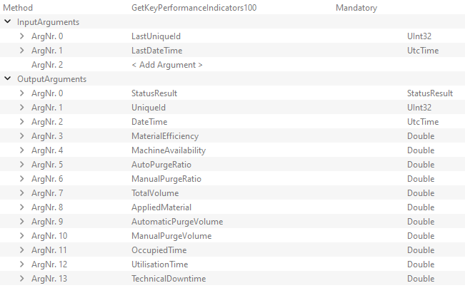
Industrial Assembly Solutions - ADH
Atlas Copco Industrial Assembly Solutions
Atlas Copco IAS GmbH
Visitor Address:Gewerbestr. 52
75015 Bretten – Germany
Visit Atlas Copco at: http://www.atlascopco.com
SYS6000V4 OPCUA Specification Interface Standard
Contact: Florian Danvin
Tel.: +32 38701946
e-mail: florian.danvin@atlascopco.com
Version: V 1.3 January 16, 2025
SAP Nr.: 10000105093
Release: SYS6000V4 V4.00.32, OPC UA 3.0

OPCUA | SYS6000V4
1. Revision History
Date | Modifications |  | by | Version
02.05.2023 | Standard signal List OPCUA |  | Markus Herold | V0.1
09.05.2023 | Configuration and layout adaptations |  | Markus Herold | V1.0
...
Data | Description | Name in OPC UA | Example / Format | Unit | OPC UA Version
Utilisation Time | Cumulative time where the machine is considered in use or in standstill without system error pending. Variable considered given a specific time interval (10 min). A value of 1 correspond to 1s | UtilisationTime | Double | s | method: 3.0.43
Technical Downtime | Cumulative time where the machine is considered with error pending, preventing the machine to perform its tasks. Variable considered given a specific time interval (10 min). A value of 1 correspond to 1s | TechnicalDowntime | Double | s | method: 3.0.43

Examples
DataNodes

Counter Data

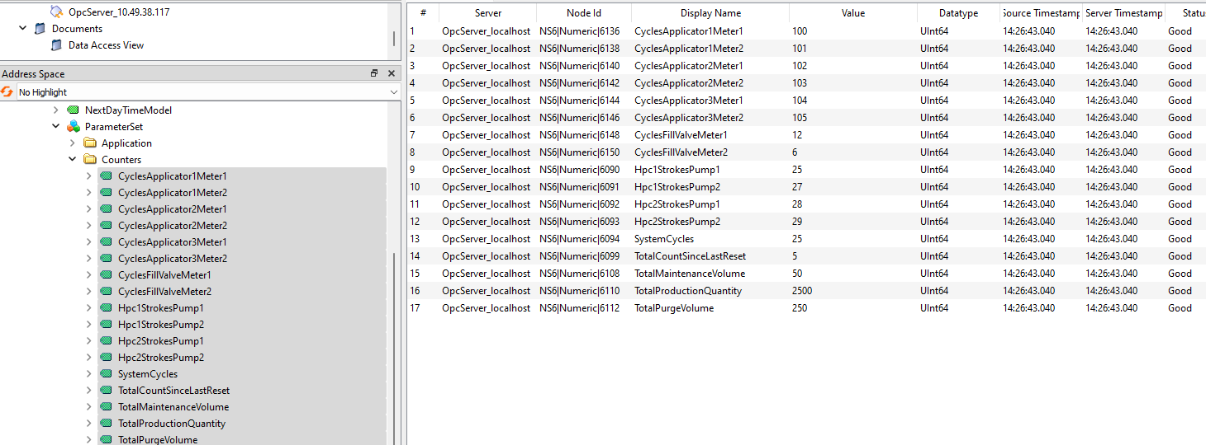

SystemStatus
...
Application

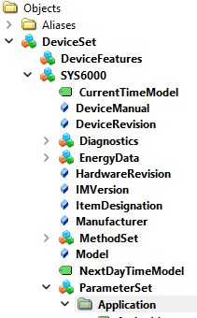
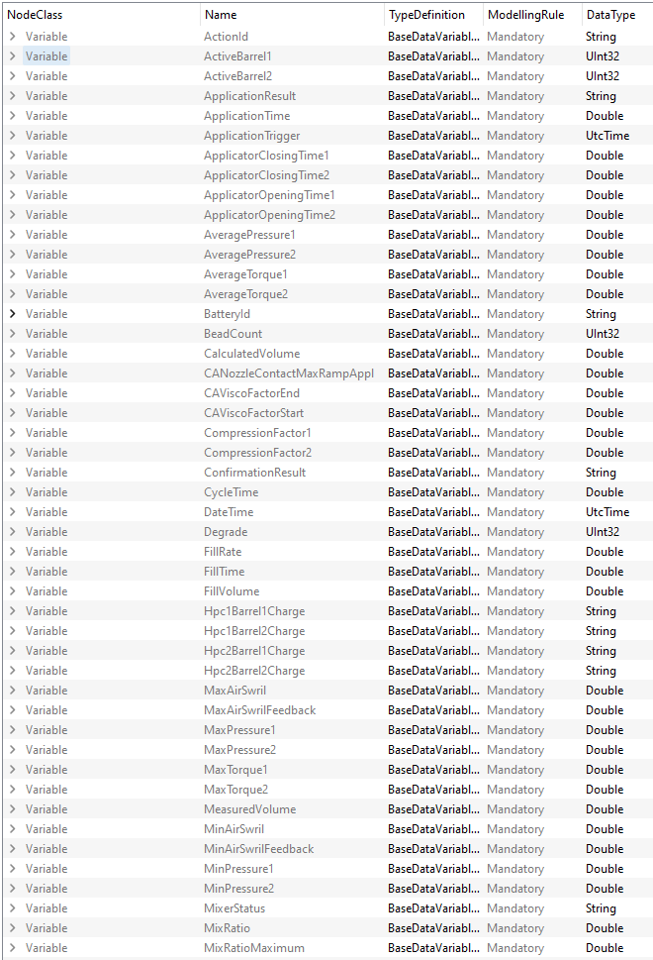

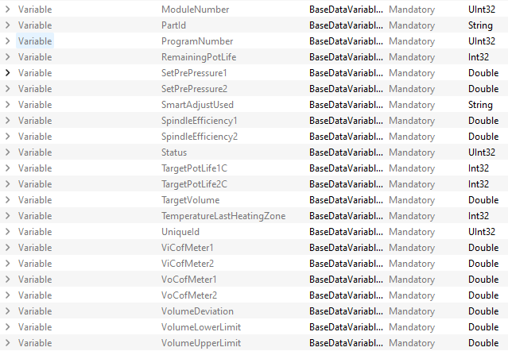

Methods

All the methods described here are below the MethodSet

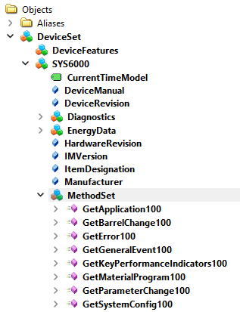

Application

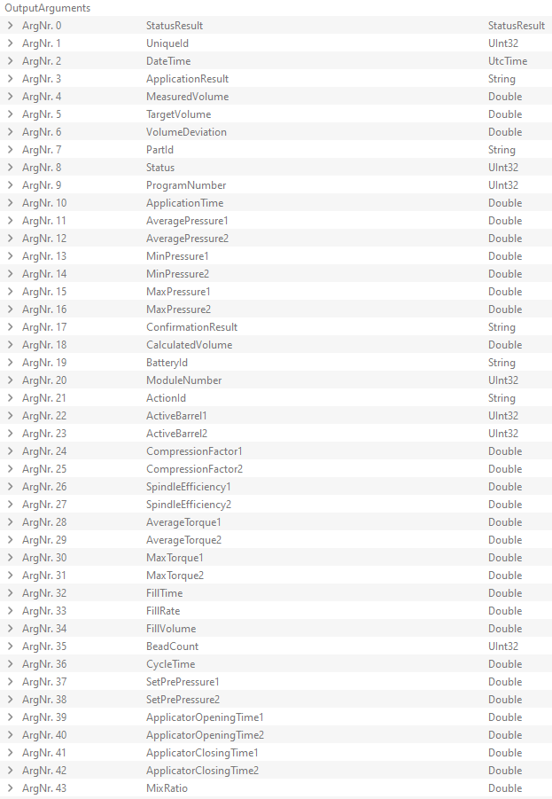

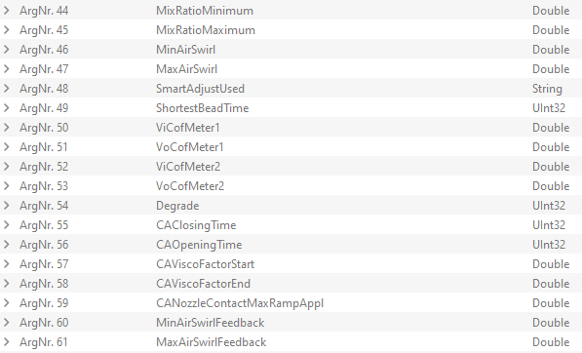

Barrel Event

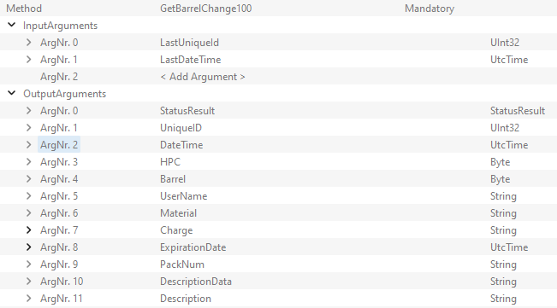

Error Event

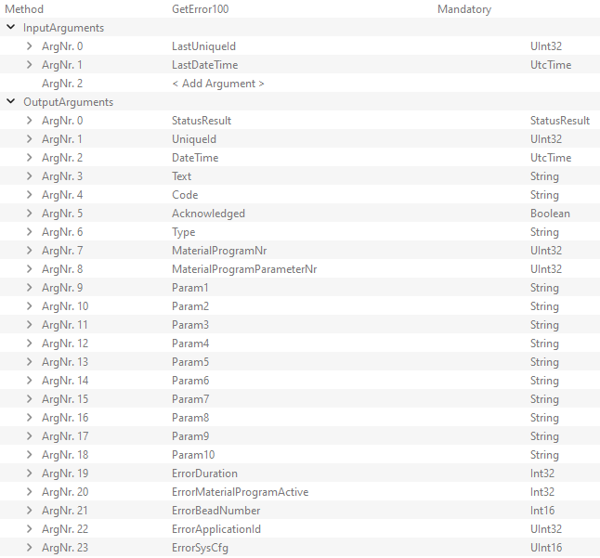

General Event

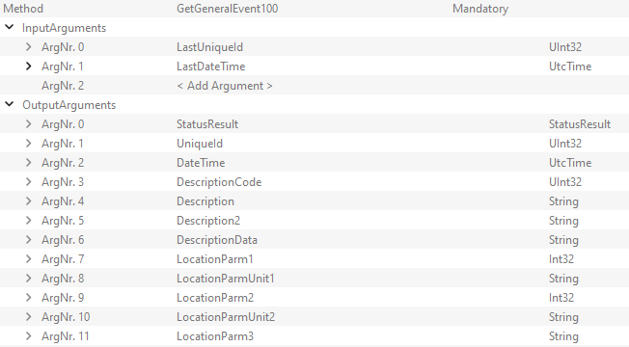

Parameter Event

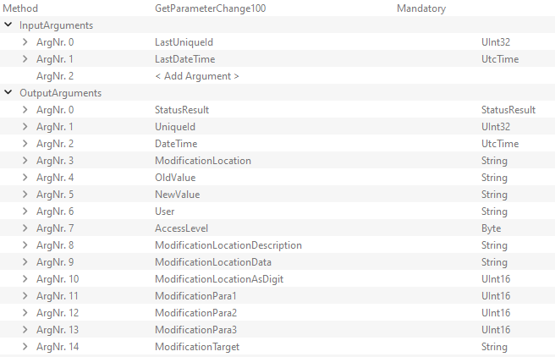

Material Program
...
Key Performance Indicators

SYS IBM MQ Audi Pdf
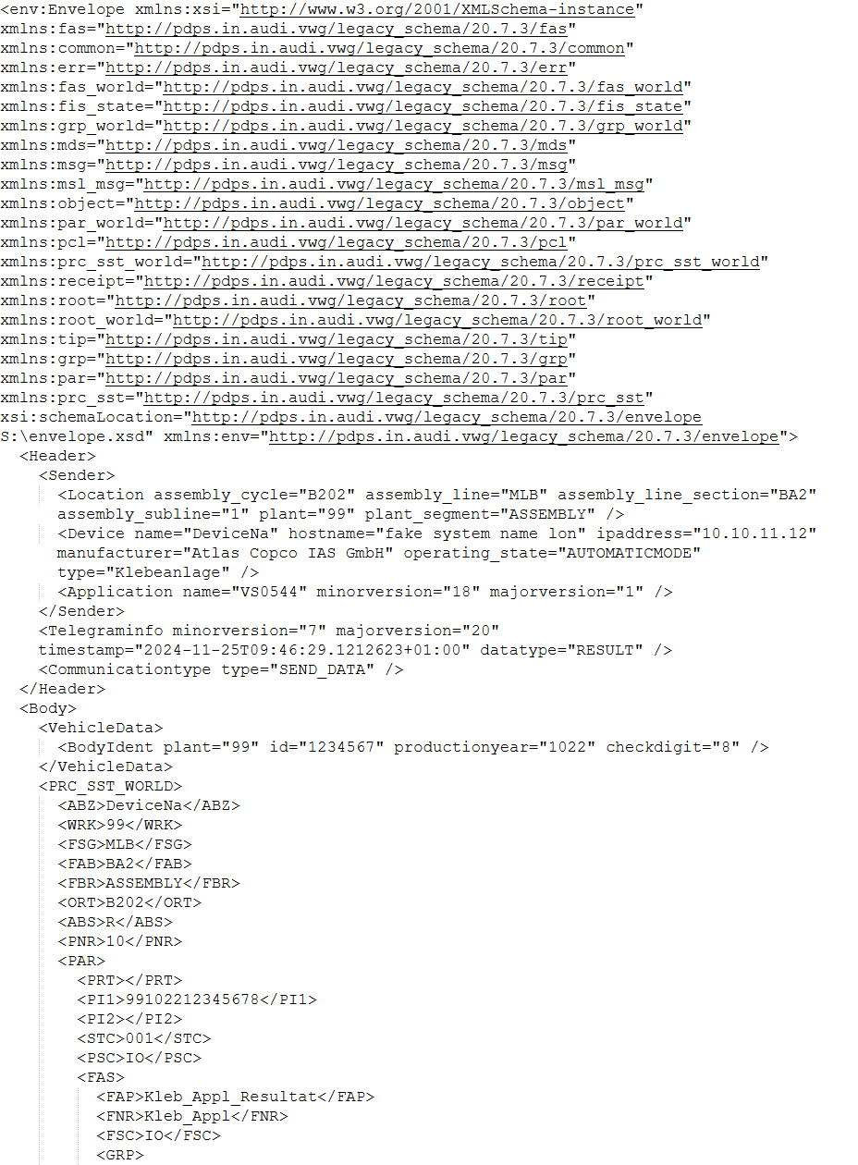
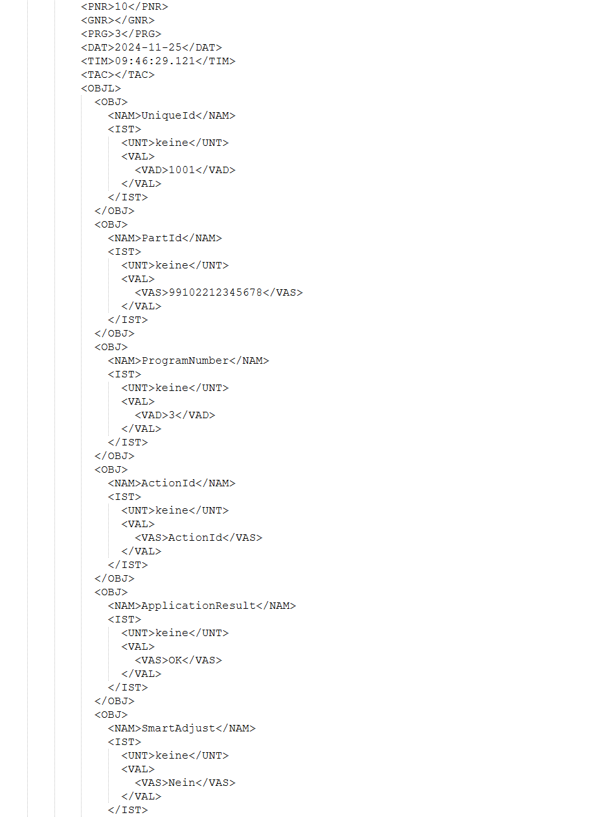
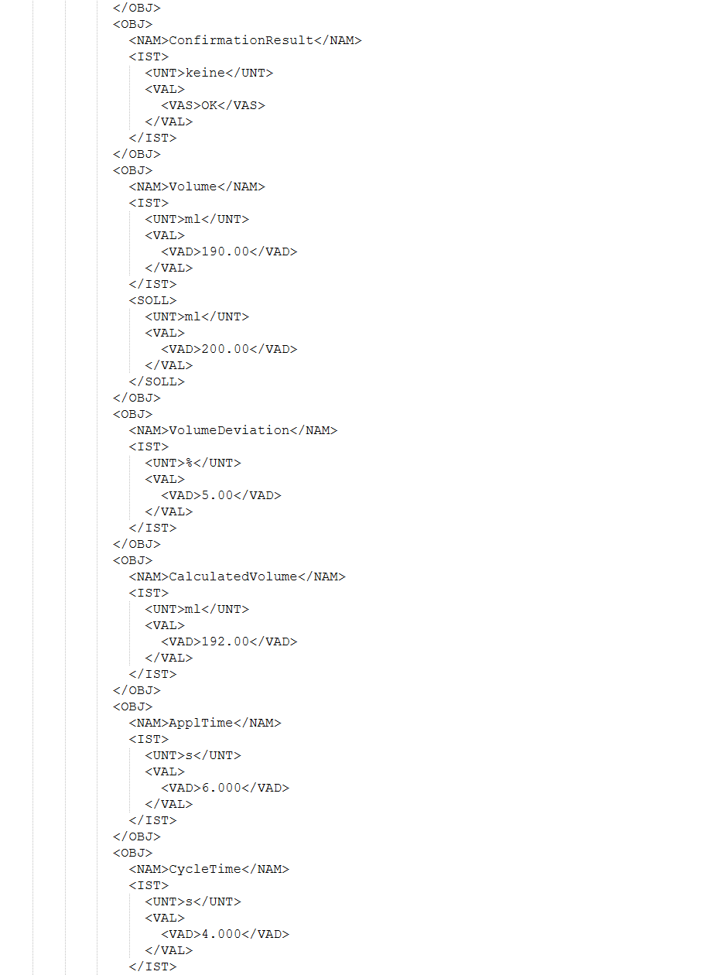
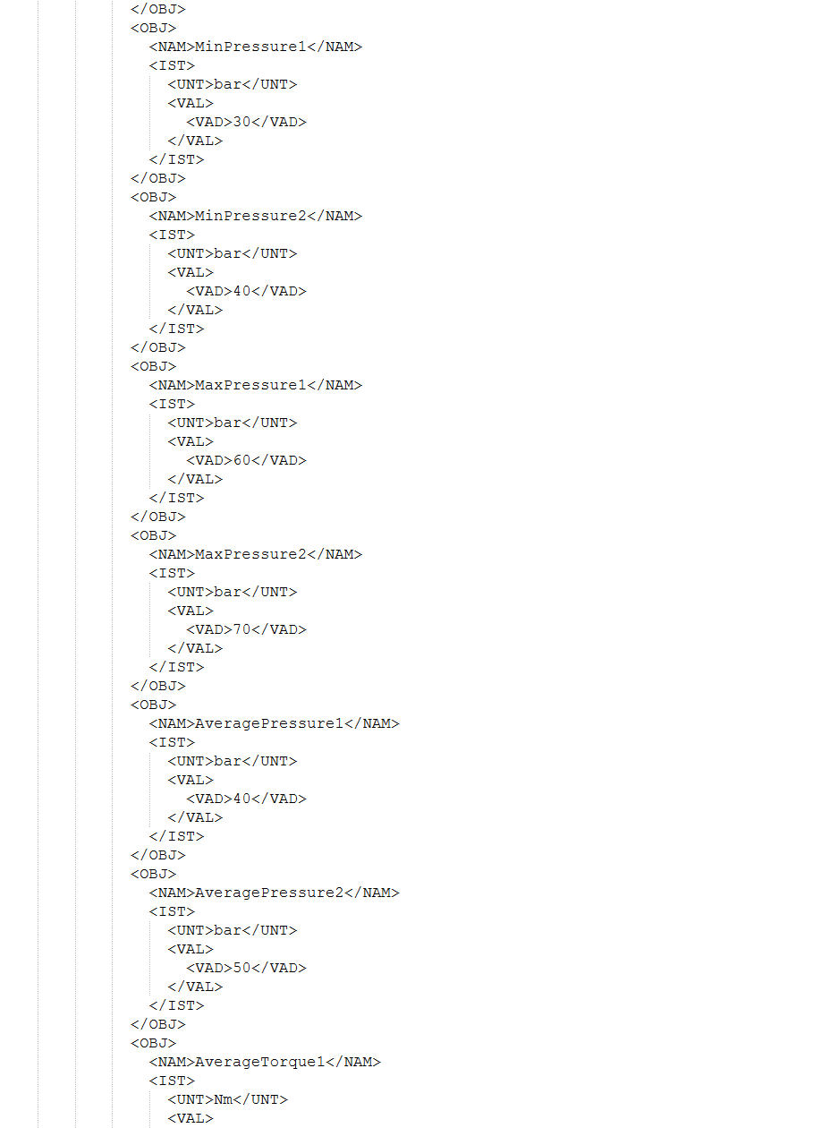
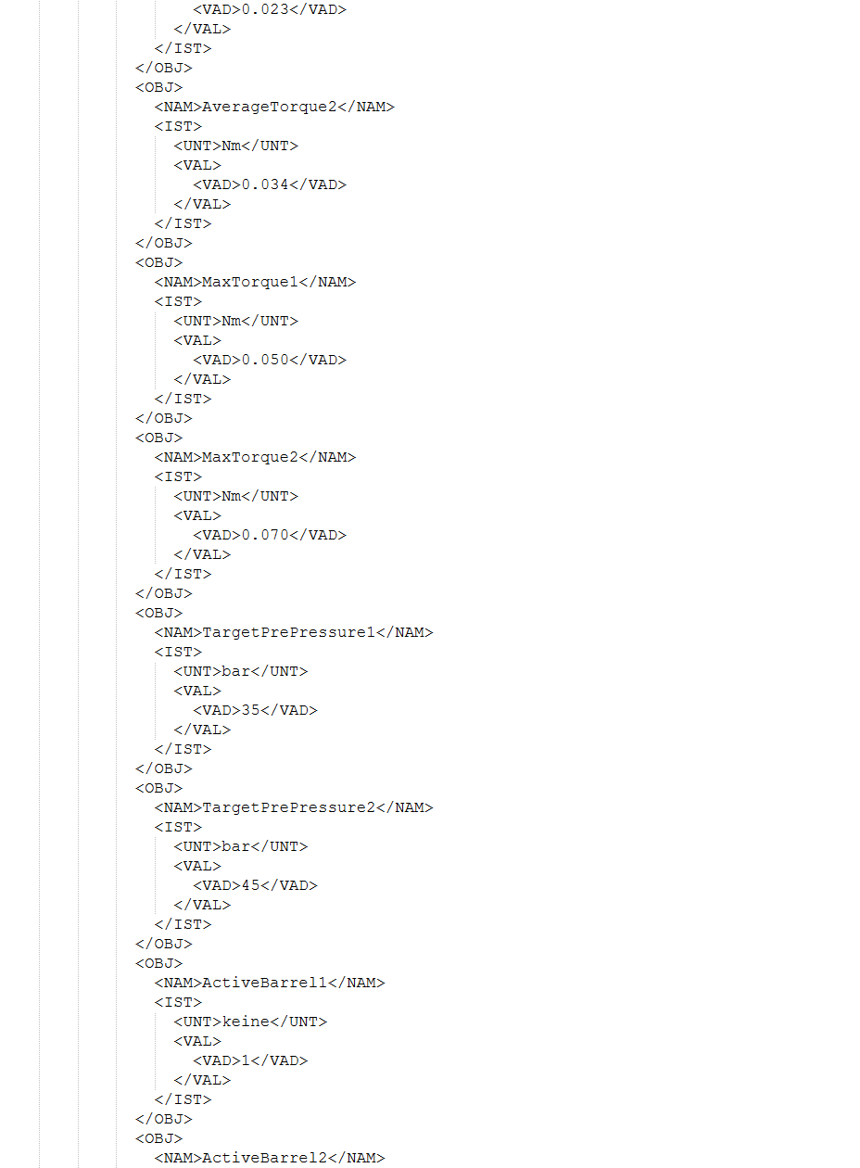
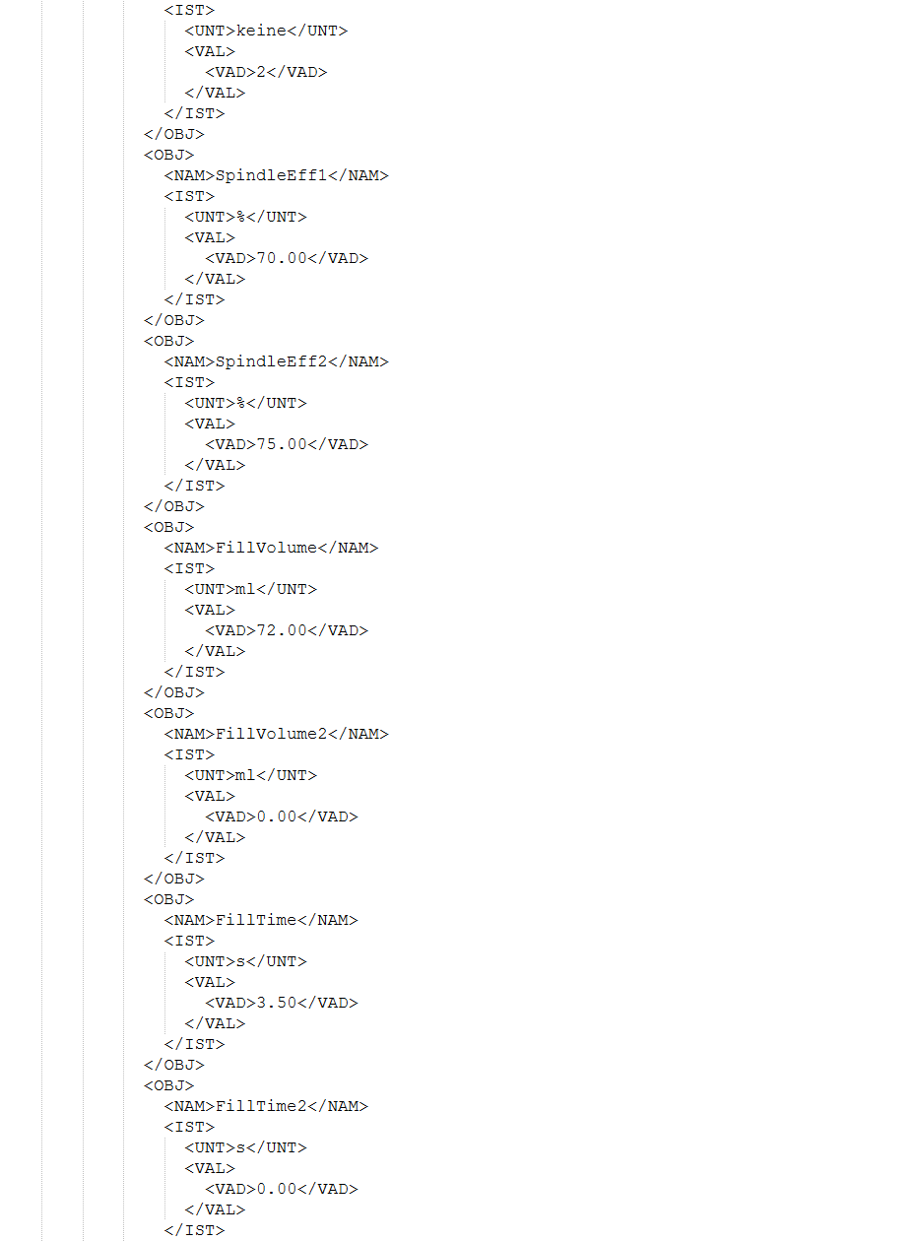
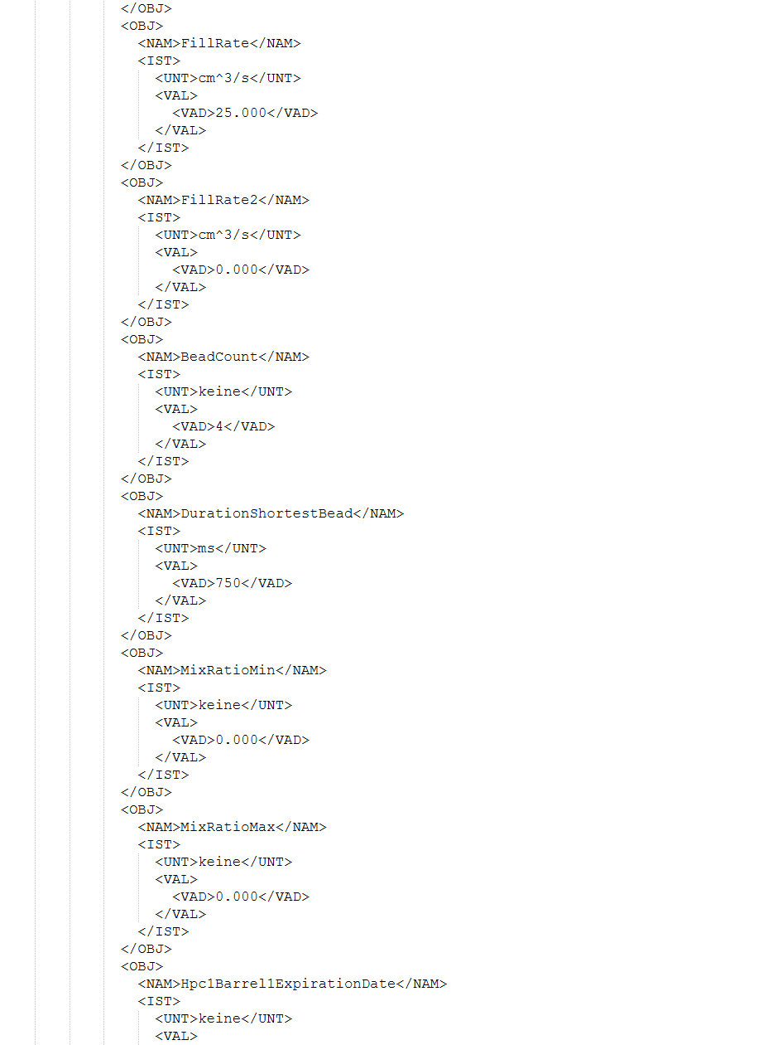
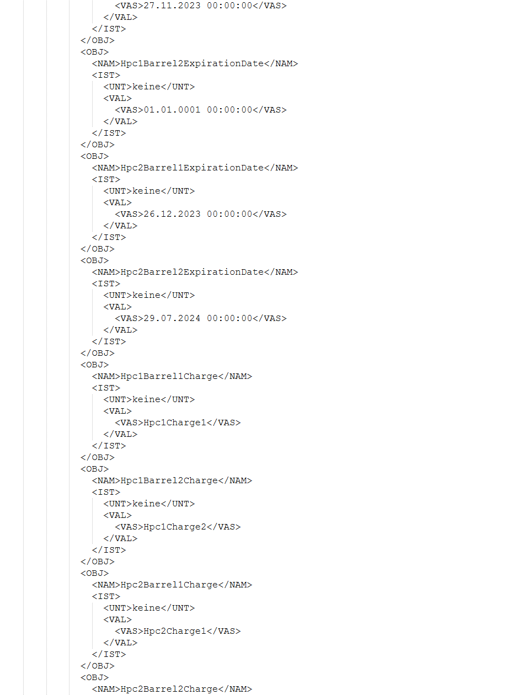
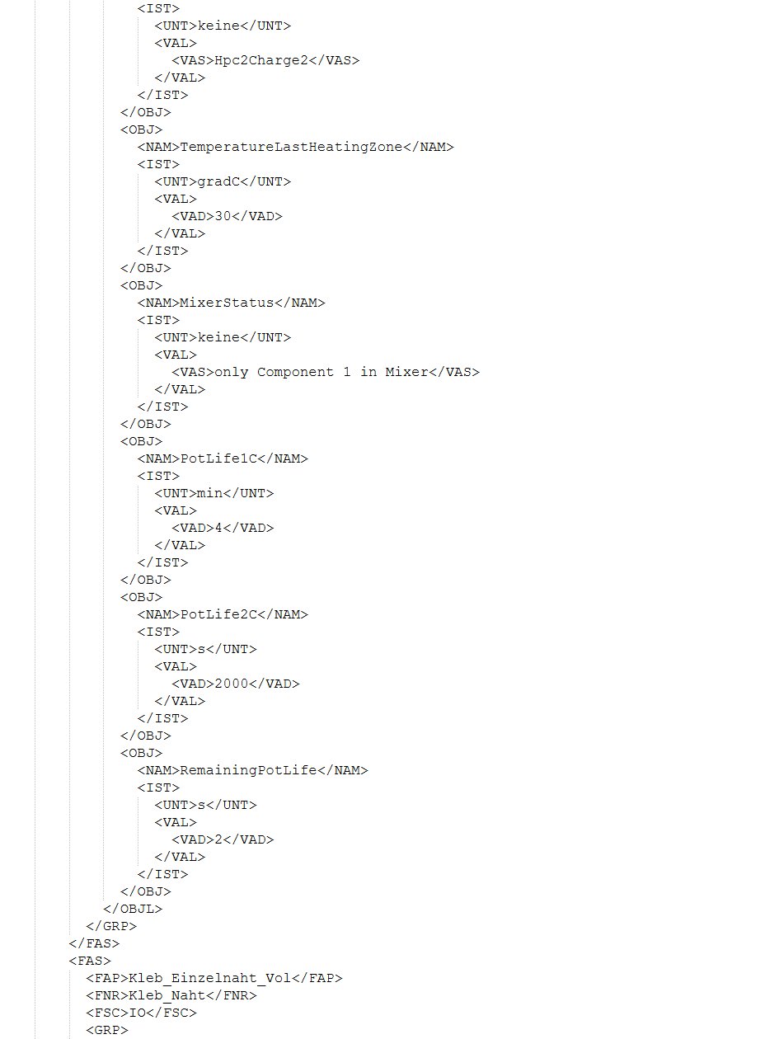
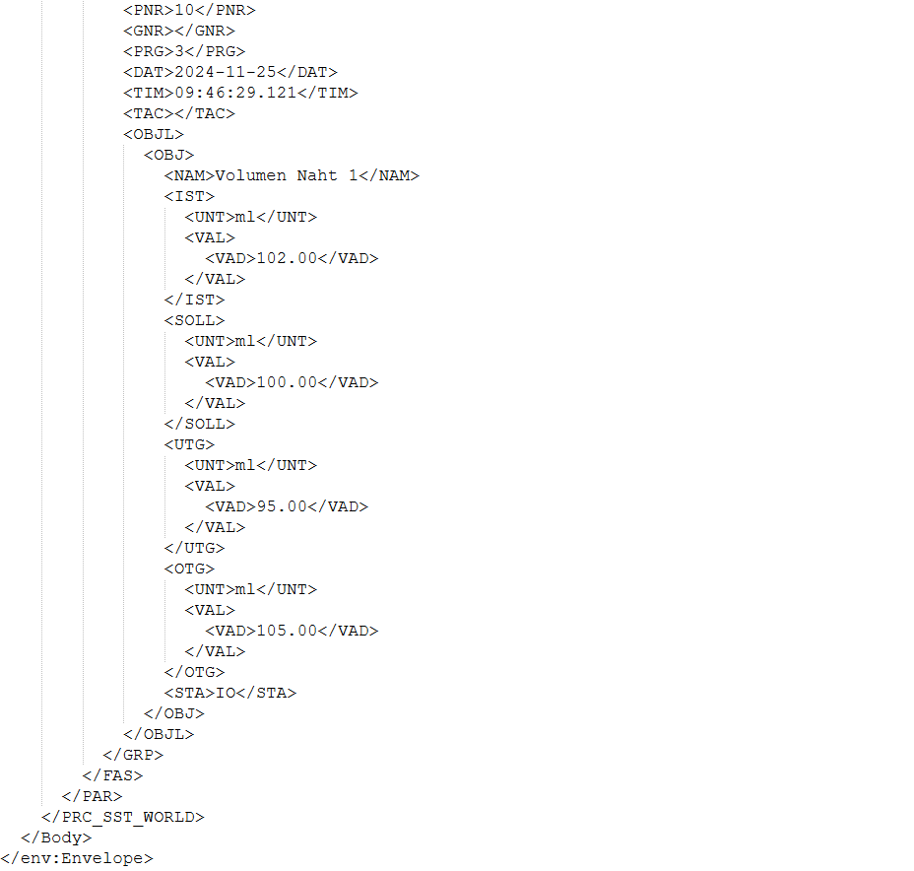
Industrial Assembly Solutions - ADH
Atlas Copco Industrial Assembly Solutions
Atlas Copco IAS GmbH
Visitor Address:Gewerbestr. 52
75015 Bretten – Germany
Visit Atlas Copco at: http://www.atlascopco.com
Specification
IBM MQ Data Overview –
SYS6000V4
Contact: Florian Danvin
Tel.: +32 38701946
e-mail: florian.danvin@atlascopco.com
Version: V 1.5 January 16, 2025
SAP Nr.: 10000105086
Release: SYS6000V4 V4.00.32, MQTT 5.6

IBM MQ | SYS6000V4
1. Revision History
Date | Modifications |  | by | Version
02.05.2023 | Standard signal List IBM MQ |  | Leandro Gil | V0.1
09.05.2023 | Configuration and layout adaptations |  | MarkusHerold | V1.0
2023-08-22 | Configuration and layout adaptations |  | Yie Hang Lau | V1.1
2023-08-23 | Data Content corrections |  | Leandro Gil | V1.2
2024-11-19 | Added message example for IBM MQ V1.7 |  | Marten Tolk | V1.3
...
Data | Description | Name in xml | Example / Format | Unit
Plant | Plant | plant, WRK | string, zweistellig | -
Plant Segment | Plant segment | plant_segment, FBR | enum, e.g. "ASSEMBLY" | -
Connection Side | Connection side (left or rigth) | ABS | "L" oder "R" | -
Check Digit | Check digit | checkdigit | string, 1 Zeichen | -
Body Ident | Body ident | id | string | -
Status | Status | FSC | "IO" or "NIO" | -

Message Example

ASC MQTT Standard Pdf
Industrial Assembly Solutions - ADH
Atlas Copco Industrial Assembly Solutions
Atlas Copco IAS GmbH
Visitor Address:Gewerbestr. 52
75015 Bretten – Germany
Visit Atlas Copco at: http://www.atlascopco.com
ASC5000V3 MQTT Specification
Interface Standard IAS
Contact: Florian Danvin
Tel.: +32 38701946
e-mail: florian.danvin@atlascopco.com
Version: V 1.5 March 25, 2025
SAP Nr.: 10000105087
Release: ASC5000V3 V4.3.29, MQTT 5.7.21

MQTT | ASC5000V3
1. Revision History
Date | Modifications | by | Version
02.05.2023 | Messages definition | Markus Herold | V0.1
09.05.2023 | Layout adaptations | Markus Herold | V1.0
2023-11-20 | Json examples added | Aparna Lakshmi | V1.1
2024-11-08 | Added Barrel Data / Barrel Changed | Dirk Gottschling | V1.2
2024-12-05 | Added Station Name Attribute | Dirk Gottschling | V1.3
2025-01-16 | Commertial Guideline and contact person updated | Leandro Gil | V1.4
2025-03-25 | Barrel Data in Application | Santiago Lamas | V1.5
...

ASC OPCUA Pdf
Industrial Assembly Solutions - ADH
Atlas Copco Industrial Assembly Solutions
Atlas Copco IAS GmbH
Visitor Address:Gewerbestr. 52
75015 Bretten – Germany
Visit Atlas Copco at: http://www.atlascopco.com
ASC5000V3 OPC UA Specification
Interface Standard IAS
Contact: Florian Danvin
Tel.: +32 38701946
e-mail: florian.danvin@atlascopco.com
Version: V 1.4 January 16, 2025
SAP Nr.: 10000105092
Release: ASC5000V3 V4.3.29, OPC UA 3.0

OPCUA | ASC5000V3
1. Revision History
Date | Modifications | by | Version
02.05.2023 | Standard signal List OPCUA | MarkusHerold | V0.1
09.05.2023 | Configuration and layout adaptations | MarkusHerold | V1.0
2025-01-16 | Commertial Guideline and contact person updated | Leandro Gil | V1.1
...

ASC OPCUA BMW Pdf
Industrial Assembly Solutions - ADH
Atlas Copco Industrial Assembly Solutions
Atlas Copco IAS GmbH
Visitor Address:Gewerbestr. 52
75015 Bretten – Germany
Visit Atlas Copco at: http://www.atlascopco.com
Specification
OPCUA Data Overview –
ASC5000V3 BMW
Author: Markus Herold
Tel.: +49 15208321476
e-mail: markus.herold@atlascopco.com
Cooperators: Leandro Gil; Marten Tolk
Version V 1.0 Wednesday, May 17, 2023

OPCUA | ASC5000V3
Revision History
Date | Version | Modifications | by
02.05.2023 | V0.1 | Standard signal List OPCUA | MarkusHerold
09.05.2023 | V1.0 | Configuration and layout adaptations | MarkusHerold

Table of contents
...
ASC5000V3 – OPCUA Signals

Data | Description | Name in OPC UA (Node or Method Output Argument) | Example / Format | Unit
Active Alarms
Array of error codes | This data is used to derive messageDescription, messageHint, messageTitle | Code | UInt32 | -
Array of error categories | Type of error. Types are given below, *Error *Warning *NoAckError *MinorError *NoAckWarning | CategoryAsString | string, e.g. "Warning" | -

